Base Test 1-Channel2
Modified Filtered Data
 | Filtered Data Shiffted |  | Original
0 | -48.813576811 | 0 | -49.829338
0.00078125 | 3.3264625383 | 0.00078125001 | 1.861302
0.001562499 | 77.407673404 | 0.0015625 | 75.705704
0.002343748 | 13.697889541 | 0.0023437501 | 12.343175
0.003124997 | -27.503196064 | 0.003125 | -28.545471
0.003906247 | -65.556394611 | 0.00390625 | -66.493088
0.004687496 | -24.098310911 | 0.0046875002 | -25.476788
0.005468745 | 29.4723652 | 0.0054687504 | 27.611347
0.006249994 | 58.177722903 | 0.0062500006 | 56.112267
0.007031244 | 32.599466049 | 0.0070312507 | 30.771778
0.007812493 | -30.448761213 | 0.0078125009 | -31.869974
0.008593742 | -51.023864454 | 0.0085937511 | -52.395535
0.009374991 | -35.397414883 | 0.0093750013 | -37.059525
0.010156241 | 32.116778294 | 0.010156251 | 29.90172
0.01093749 | 51.451168264 | 0.010937502 | 49.094387
0.011718739 | 38.303070119 | 0.011718752 | 36.107903
0.012499988 | -26.401231271 | 0.012500002 | -28.143433
0.013281238 | -51.825306914 | 0.013281252 | -53.481518
0.014062487 | -35.332383483 | 0.014062502 | -37.237194
0.014843736 | 19.80000747 | 0.014843753 | 17.415428
0.015624986 | 55.725799826 | 0.015625002 | 53.136127
0.016406235 | 33.397375858 | 0.016406251 | 31.032434
0.017187484 | -13.066708265 | 0.0171875 | -15.049228
0.017968733 | -57.639520016 | 0.01796875 | -59.398495
0.018749986 | -32.971179374 | 0.018749999 | -35.008198
0.019531239 | 8.3688494619 | 0.019531248 | 5.959372
0.020312492 | 54.640136246 | 0.020312497 | 51.962563
0.021093745 | 33.305625068 | 0.021093747 | 30.888702
0.021874998 | -8.774519403 | 0.021874996 | -10.826349
0.022656251 | -52.533526261 | 0.022656245 | -54.319347
0.023437504 | -39.332893047 | 0.023437494 | -41.328121
0.024218757 | 7.9323655451 | 0.024218744 | 5.5558357
0.02500001 | 45.691586466 | 0.024999993 | 43.091923
0.025781263 | 41.906315967 | 0.025781242 | 39.478947
0.026562516 | -10.444671208 | 0.026562491 | -12.433852
0.027343769 | -42.870684892 | 0.027343741 | -44.643547
0.028125022 | -45.924533704 | 0.02812499 | -47.794064
0.028906275 | 8.0457057557 | 0.028906239 | 5.7475252
0.029687528 | 40.052684346 | 0.029687488 | 37.572289
0.030468781 | 45.111195392 | 0.030468738 | 42.73238
0.031250034 | -4.0147430524 | 0.031249987 | -5.951529
0.032031287 | -40.438856157 | 0.032031238 | -42.145554
0.03281254 | -42.114577187 | 0.032812487 | -43.907753
0.033593793 | -0.53241284532 | 0.033593737 | -2.7066219
0.034375046 | 43.256034057 | 0.034374986 | 40.829514
0.035156299 | 40.199650774 | 0.035156235 | 37.900791
0.035937552 | 6.888351473 | 0.035937484 | 4.9410524
0.036718805 | -41.412364448 | 0.036718734 | -43.054382
0.037500058 | -37.093953743 | 0.037499983 | -38.865536
0.038281311 | -7.3661843462 | 0.038281232 | -9.4519596
...
Time | Original | Filtered |  | Time | Filtered Data Shiffted
0 | -49.829338 | 0.53186896374 | 0.045312475 | 0 | -48.813576811
0.00078125001 | 1.861302 | -0.044971887284 | 0.046093725 | 0.00078125 | 3.3264625383
0.0015625 | 75.705704 | -0.83489207341 | 0.046874974 | 0.001562499 | 77.407673404
0.0023437501 | 12.343175 | -0.12505159029 | 0.047656223 | 0.002343748 | 13.697889541
Original vs. Filtered
 | Original | Filtered
0 | -49.829338 | 0.53186896374
0.00078125001 | 1.861302 | -0.044971887284
0.0015625 | 75.705704 | -0.83489207341
0.0023437501 | 12.343175 | -0.12505159029
0.003125 | -28.545471 | 0.3152511321
0.00390625 | -66.493088 | 0.70565868668
0.0046875002 | -25.476788 | 0.23451976241
0.0054687504 | 27.611347 | -0.34774910486
0.0062500006 | 56.112267 | -0.64431621634
0.0070312507 | 30.771778 | -0.35324092957
0.0078125009 | -31.869974 | 0.3246438437
0.0085937511 | -52.395535 | 0.52409459971
0.0093750013 | -37.059525 | 0.33101860961
0.010156251 | 29.90172 | -0.40724304822
0.010937502 | 49.094387 | -0.60497851425
0.011718752 | 36.107903 | -0.4502611428
0.012500002 | -28.143433 | 0.2467818003
0.013281252 | -53.481518 | 0.49957902541
0.014062502 | -37.237194 | 0.29749332499
0.014843753 | 17.415428 | -0.30752487837
0.015625002 | 53.136127 | -0.68502727204
0.016406251 | 31.032434 | -0.42753989428
0.0171875 | -15.049228 | 0.077246471652
0.01796875 | -59.398495 | 0.54418814329
0.018749999 | -35.008198 | 0.25792318907
0.019531248 | 5.959372 | -0.19316114372
0.020312497 | 51.962563 | -0.67836364645
0.021093747 | 30.888702 | -0.42448326754
0.021874996 | -10.826349 | 0.042167525644
0.022656245 | -54.319347 | 0.5110023585
0.023437494 | -41.328121 | 0.3586193152
0.024218744 | 5.5558357 | -0.14855007916
0.024999993 | 43.091923 | -0.53247141729
0.025781242 | 39.478947 | -0.45723394808
0.026562491 | -12.433852 | 0.13197227653
0.027343741 | -44.643547 | 0.49079091447
0.02812499 | -47.794064 | 0.52860565815
0.028906239 | 5.7475252 | -0.039324612591
0.029687488 | 37.572289 | -0.34931320945
0.030468738 | 42.73238 | -0.35959178097
0.031249987 | -5.951529 | 0.21059017977
0.032031238 | -42.145554 | 0.6281004202
0.032812487 | -43.907753 | 0.66530572992
0.033593737 | -2.7066219 | 0.2446450119
0.034374986 | 40.829514 | -0.18085061796
0.035156235 | 37.900791 | -0.089159499079
0.035937484 | 4.9410524 | 0.32406510621
0.036718734 | -43.054382 | 0.88657167708
0.037499983 | -38.865536 | 0.87289486274
0.038281232 | -9.4519596 | 0.59430885726
...
0.003125 | -28.545471 | 0.3152511321 | 0.048437472 | 0.003124997 | -27.503196064
0.00390625 | -66.493088 | 0.70565868668 | 0.049218722 | 0.003906247 | -65.556394611
0.0046875002 | -25.476788 | 0.23451976241 | 0.049999971 | 0.004687496 | -24.098310911
Original vs. Filtered
 | Original | Filtered | Original | Filtered | Original | Filtered
0 | -49.829338 | 0.53186896374 | -49.829338 | 0.53186896374 | -49.829338 | 0.53186896374
0.00078125001 | 1.861302 | -0.044971887284 | 1.861302 | -0.044971887284 | 1.861302 | -0.044971887284
0.0015625 | 75.705704 | -0.83489207341 | 75.705704 | -0.83489207341 | 75.705704 | -0.83489207341
0.0023437501 | 12.343175 | -0.12505159029 | 12.343175 | -0.12505159029 | 12.343175 | -0.12505159029
0.003125 | -28.545471 | 0.3152511321 | -28.545471 | 0.3152511321 | -28.545471 | 0.3152511321
0.00390625 | -66.493088 | 0.70565868668 | -66.493088 | 0.70565868668 | -66.493088 | 0.70565868668
0.0046875002 | -25.476788 | 0.23451976241 | -25.476788 | 0.23451976241 | -25.476788 | 0.23451976241
0.0054687504 | 27.611347 | -0.34774910486 | 27.611347 | -0.34774910486 | 27.611347 | -0.34774910486
0.0062500006 | 56.112267 | -0.64431621634 | 56.112267 | -0.64431621634 | 56.112267 | -0.64431621634
0.0070312507 | 30.771778 | -0.35324092957 | 30.771778 | -0.35324092957 | 30.771778 | -0.35324092957
0.0078125009 | -31.869974 | 0.3246438437 | -31.869974 | 0.3246438437 | -31.869974 | 0.3246438437
0.0085937511 | -52.395535 | 0.52409459971 | -52.395535 | 0.52409459971 | -52.395535 | 0.52409459971
0.0093750013 | -37.059525 | 0.33101860961 | -37.059525 | 0.33101860961 | -37.059525 | 0.33101860961
0.010156251 | 29.90172 | -0.40724304822 | 29.90172 | -0.40724304822 | 29.90172 | -0.40724304822
0.010937502 | 49.094387 | -0.60497851425 | 49.094387 | -0.60497851425 | 49.094387 | -0.60497851425
0.011718752 | 36.107903 | -0.4502611428 | 36.107903 | -0.4502611428 | 36.107903 | -0.4502611428
0.012500002 | -28.143433 | 0.2467818003 | -28.143433 | 0.2467818003 | -28.143433 | 0.2467818003
0.013281252 | -53.481518 | 0.49957902541 | -53.481518 | 0.49957902541 | -53.481518 | 0.49957902541
0.014062502 | -37.237194 | 0.29749332499 | -37.237194 | 0.29749332499 | -37.237194 | 0.29749332499
0.014843753 | 17.415428 | -0.30752487837 | 17.415428 | -0.30752487837 | 17.415428 | -0.30752487837
0.015625002 | 53.136127 | -0.68502727204 | 53.136127 | -0.68502727204 | 53.136127 | -0.68502727204
0.016406251 | 31.032434 | -0.42753989428 | 31.032434 | -0.42753989428 | 31.032434 | -0.42753989428
0.0171875 | -15.049228 | 0.077246471652 | -15.049228 | 0.077246471652 | -15.049228 | 0.077246471652
0.01796875 | -59.398495 | 0.54418814329 | -59.398495 | 0.54418814329 | -59.398495 | 0.54418814329
0.018749999 | -35.008198 | 0.25792318907 | -35.008198 | 0.25792318907 | -35.008198 | 0.25792318907
0.019531248 | 5.959372 | -0.19316114372 | 5.959372 | -0.19316114372 | 5.959372 | -0.19316114372
0.020312497 | 51.962563 | -0.67836364645 | 51.962563 | -0.67836364645 | 51.962563 | -0.67836364645
0.021093747 | 30.888702 | -0.42448326754 | 30.888702 | -0.42448326754 | 30.888702 | -0.42448326754
0.021874996 | -10.826349 | 0.042167525644 | -10.826349 | 0.042167525644 | -10.826349 | 0.042167525644
0.022656245 | -54.319347 | 0.5110023585 | -54.319347 | 0.5110023585 | -54.319347 | 0.5110023585
0.023437494 | -41.328121 | 0.3586193152 | -41.328121 | 0.3586193152 | -41.328121 | 0.3586193152
0.024218744 | 5.5558357 | -0.14855007916 | 5.5558357 | -0.14855007916 | 5.5558357 | -0.14855007916
0.024999993 | 43.091923 | -0.53247141729 | 43.091923 | -0.53247141729 | 43.091923 | -0.53247141729
0.025781242 | 39.478947 | -0.45723394808 | 39.478947 | -0.45723394808 | 39.478947 | -0.45723394808
0.026562491 | -12.433852 | 0.13197227653 | -12.433852 | 0.13197227653 | -12.433852 | 0.13197227653
0.027343741 | -44.643547 | 0.49079091447 | -44.643547 | 0.49079091447 | -44.643547 | 0.49079091447
0.02812499 | -47.794064 | 0.52860565815 | -47.794064 | 0.52860565815 | -47.794064 | 0.52860565815
0.028906239 | 5.7475252 | -0.039324612591 | 5.7475252 | -0.039324612591 | 5.7475252 | -0.039324612591
0.029687488 | 37.572289 | -0.34931320945 | 37.572289 | -0.34931320945 | 37.572289 | -0.34931320945
0.030468738 | 42.73238 | -0.35959178097 | 42.73238 | -0.35959178097 | 42.73238 | -0.35959178097
0.031249987 | -5.951529 | 0.21059017977 | -5.951529 | 0.21059017977 | -5.951529 | 0.21059017977
0.032031238 | -42.145554 | 0.6281004202 | -42.145554 | 0.6281004202 | -42.145554 | 0.6281004202
0.032812487 | -43.907753 | 0.66530572992 | -43.907753 | 0.66530572992 | -43.907753 | 0.66530572992
0.033593737 | -2.7066219 | 0.2446450119 | -2.7066219 | 0.2446450119 | -2.7066219 | 0.2446450119
0.034374986 | 40.829514 | -0.18085061796 | 40.829514 | -0.18085061796 | 40.829514 | -0.18085061796
0.035156235 | 37.900791 | -0.089159499079 | 37.900791 | -0.089159499079 | 37.900791 | -0.089159499079
0.035937484 | 4.9410524 | 0.32406510621 | 4.9410524 | 0.32406510621 | 4.9410524 | 0.32406510621
0.036718734 | -43.054382 | 0.88657167708 | -43.054382 | 0.88657167708 | -43.054382 | 0.88657167708
0.037499983 | -38.865536 | 0.87289486274 | -38.865536 | 0.87289486274 | -38.865536 | 0.87289486274
0.038281232 | -9.4519596 | 0.59430885726 | -9.4519596 | 0.59430885726 | -9.4519596 | 0.59430885726
...
0.0054687504 | 27.611347 | -0.34774910486 | 0.05078122 | 0.005468745 | 29.4723652
0.0062500006 | 56.112267 | -0.64431621634 | 0.051562469 | 0.006249994 | 58.177722903
0.0070312507 | 30.771778 | -0.35324092957 | 0.052343719 | 0.007031244 | 32.599466049
0.0078125009 | -31.869974 | 0.3246438437 | 0.053124968 | 0.007812493 | -30.448761213
0.0085937511 | -52.395535 | 0.52409459971 | 0.053906217 | 0.008593742 | -51.023864454
0.0093750013 | -37.059525 | 0.33101860961 | 0.054687466 | 0.009374991 | -35.397414883
0.010156251 | 29.90172 | -0.40724304822 | 0.055468716 | 0.010156241 | 32.116778294
0.010937502 | 49.094387 | -0.60497851425 | 0.056249965 | 0.01093749 | 51.451168264
0.011718752 | 36.107903 | -0.4502611428 | 0.057031214 | 0.011718739 | 38.303070119
0.012500002 | -28.143433 | 0.2467818003 | 0.057812463 | 0.012499988 | -26.401231271
0.013281252 | -53.481518 | 0.49957902541 | 0.058593713 | 0.013281238 | -51.825306914
0.014062502 | -37.237194 | 0.29749332499 | 0.059374962 | 0.014062487 | -35.332383483
0.014843753 | 17.415428 | -0.30752487837 | 0.060156211 | 0.014843736 | 19.80000747
0.015625002 | 53.136127 | -0.68502727204 | 0.060937461 | 0.015624986 | 55.725799826
0.016406251 | 31.032434 | -0.42753989428 | 0.06171871 | 0.016406235 | 33.397375858
0.0171875 | -15.049228 | 0.077246471652 | 0.062499959 | 0.017187484 | -13.066708265
0.01796875 | -59.398495 | 0.54418814329 | 0.063281208 | 0.017968733 | -57.639520016
0.018749999 | -35.008198 | 0.25792318907 | 0.064062461 | 0.018749986 | -32.971179374
0.019531248 | 5.959372 | -0.19316114372 | 0.064843714 | 0.019531239 | 8.3688494619
0.020312497 | 51.962563 | -0.67836364645 | 0.065624967 | 0.020312492 | 54.640136246
0.021093747 | 30.888702 | -0.42448326754 | 0.06640622 | 0.021093745 | 33.305625068
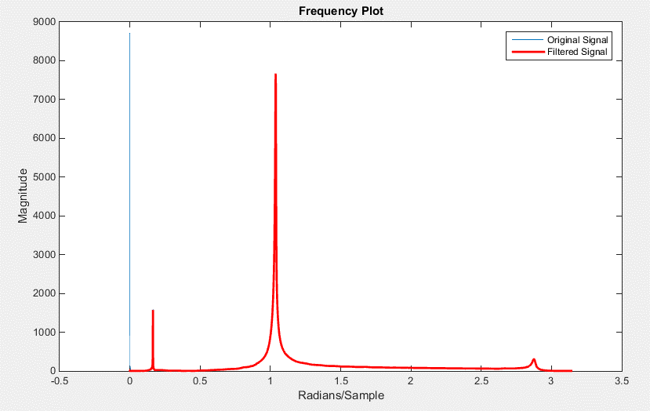
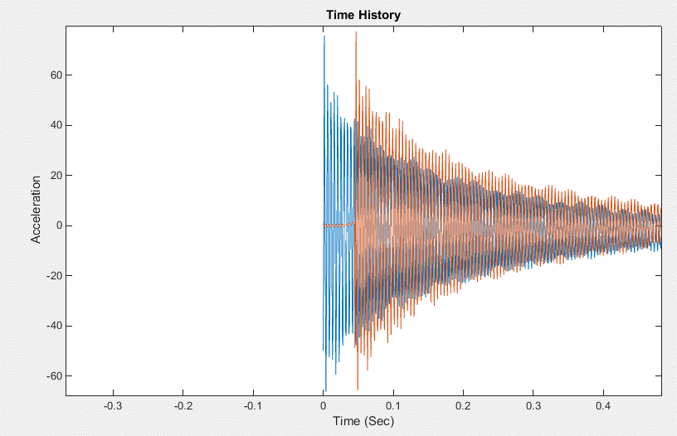
0.021874996 | -10.826349 | 0.042167525644 | 0.067187473 | 0.021874998 | -8.774519403
0.022656245 | -54.319347 | 0.5110023585 | 0.067968726 | 0.022656251 | -52.533526261
0.023437494 | -41.328121 | 0.3586193152 | 0.068749979 | 0.023437504 | -39.332893047
0.024218744 | 5.5558357 | -0.14855007916 | 0.069531232 | 0.024218757 | 7.9323655451
0.024999993 | 43.091923 | -0.53247141729 | 0.070312485 | 0.02500001 | 45.691586466
0.025781242 | 39.478947 | -0.45723394808 | 0.071093738 | 0.025781263 | 41.906315967
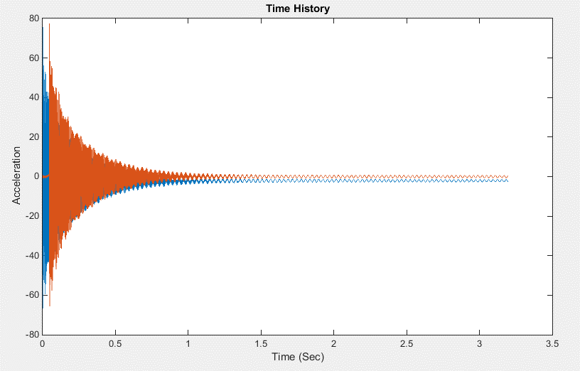
0.026562491 | -12.433852 | 0.13197227653 | 0.071874991 | 0.026562516 | -10.444671208
0.027343741 | -44.643547 | 0.49079091447 | 0.072656244 | 0.027343769 | -42.870684892
0.02812499 | -47.794064 | 0.52860565815 | 0.073437497 | 0.028125022 | -45.924533704
0.028906239 | 5.7475252 | -0.039324612591 | 0.07421875 | 0.028906275 | 8.0457057557
0.029687488 | 37.572289 | -0.34931320945 | 0.075000003 | 0.029687528 | 40.052684346
0.030468738 | 42.73238 | -0.35959178097 | 0.075781256 | 0.030468781 | 45.111195392
0.031249987 | -5.951529 | 0.21059017977 | 0.076562509 | 0.031250034 | -4.0147430524
0.032031238 | -42.145554 | 0.6281004202 | 0.077343762 | 0.032031287 | -40.438856157
0.032812487 | -43.907753 | 0.66530572992 | 0.078125015 | 0.03281254 | -42.114577187
0.033593737 | -2.7066219 | 0.2446450119 | 0.078906268 | 0.033593793 | -0.53241284532
0.034374986 | 40.829514 | -0.18085061796 | 0.079687521 | 0.034375046 | 43.256034057
0.035156235 | 37.900791 | -0.089159499079 | 0.080468774 | 0.035156299 | 40.199650774
0.035937484 | 4.9410524 | 0.32406510621 | 0.081250027 | 0.035937552 | 6.888351473
0.036718734 | -43.054382 | 0.88657167708 | 0.08203128 | 0.036718805 | -41.412364448
0.037499983 | -38.865536 | 0.87289486274 | 0.082812533 | 0.037500058 | -37.093953743
0.038281232 | -9.4519596 | 0.59430885726 | 0.083593786 | 0.038281311 | -7.3661843462
0.039062481 | 39.362907 | 0.12257997512 | 0.084375039 | 0.039062564 | 41.764992076
0.039843731 | 38.238605 | 0.20791231035 | 0.085156292 | 0.039843817 | 40.519639037
0.04062498 | 7.2247062 | 0.6126779771 | 0.085937545 | 0.04062507 | 9.189618496
0.041406229 | -37.467419 | 1.1531543151 | 0.086718798 | 0.041406323 | -35.812375054
0.042187478 | -43.105953 | 1.2591490633 | 0.087500051 | 0.042187576 | -41.362883741
0.042968728 | -8.749939 | 0.93710858678 | 0.088281304 | 0.042968829 | -6.6713120914
0.043749977 | 30.308825 | 0.58078437129 | 0.089062557 | 0.043750082 | 32.673768231
0.044531226 | 42.695084 | 0.52675741798 | 0.08984381 | 0.044531335 | 45.021182759
0.045312475 | 4.8608127 | -48.813576811 | 0.090625063 | 0.045312588 | 7.3887005506
0.046093725 | -30.732698 | 3.3264625383 | 0.091406316 | 0.046093841 | -29.016325134
0.046874974 | -47.723785 | 77.407673404 | 0.092187569 | 0.046875094 | -46.825709003
0.047656223 | -10.748162 | 13.697889541 | 0.092968822 | 0.047656347 | -8.8117502213
0.048437472 | 24.482761 | -27.503196064 | 0.093750075 | 0.0484376 | 27.125256281
0.049218722 | 41.646152 | -65.556394611 | 0.094531327 | 0.049218852 | 44.739652005
0.049999971 | 8.21595 | -24.098310911 | 0.09531258 | 0.050000105 | 10.533677178
0.05078122 | -30.452242 | 29.4723652 | 0.096093833 | 0.050781358 | -28.983464445
0.051562469 | -44.715961 | 58.177722903 | 0.096875086 | 0.051562611 | -43.581484612
0.052343719 | -18.362801 | 32.599466049 | 0.097656339 | 0.052343864 | -16.656267016
0.053124968 | 24.694347 | -30.448761213 | 0.098437592 | 0.053125117 | 27.385560832
0.053906217 | 35.848835 | -51.023864454 | 0.099218845 | 0.05390637 | 38.772713219
0.054687466 | 15.331947 | -35.397414883 | 0.1000001 | 0.054687625 | 17.833278035
0.055468716 | -30.812773 | 32.116778294 | 0.10078135 | 0.055468875 | -29.370212476
0.056249965 | -40.640179 | 51.451168264 | 0.1015626 | 0.056250125 | -39.405871171
0.057031214 | -22.708567 | 38.303070119 | 0.10234386 | 0.057031385 | -21.100846307
0.057812463 | 22.837795 | -26.401231271 | 0.10312511 | 0.057812635 | 25.480678845
0.058593713 | 35.553482 | -51.825306914 | 0.10390636 | 0.058593885 | 38.479515805
0.059374962 | 17.022423 | -35.332383483 | 0.10468762 | 0.059375145 | 19.541584468
0.060156211 | -24.228285 | 19.80000747 | 0.10546887 | 0.060156395 | -22.628979248
0.060937461 | -41.81987 | 55.725799826 | 0.10625012 | 0.060937645 | -40.650599618
0.06171871 | -20.226007 | 33.397375858 | 0.10703138 | 0.061718905 | -18.575305954
0.062499959 | 16.631353 | -13.066708265 | 0.10781263 | 0.062500155 | 19.081637358
0.063281208 | 39.708866 | -57.639520016 | 0.10859388 | 0.063281405 | 42.712634399
0.064062461 | 16.393047 | -32.971179374 | 0.10937513 | 0.064062655 | 18.873467313
0.064843714 | -17.012205 | 8.3688494619 | 0.11015639 | 0.064843915 | -15.257805682
0.065624967 | -42.352909 | 54.640136246 | 0.11093764 | 0.065625165 | -41.200229265
0.06640622 | -19.734835 | 33.305625068 | 0.11171889 | 0.066406415 | -18.095677381
0.067187473 | 13.607501 | -8.774519403 | 0.11250015 | 0.067187675 | 15.97351174
0.067968726 | 38.738007 | -52.533526261 | 0.1132814 | 0.067968925 | 41.684643373
0.068749979 | 20.121677 | -39.332893047 | 0.11406265 | 0.068750175 | 22.684707441
0.069531232 | -15.655449 | 7.9323655451 | 0.1148439 | 0.069531425 | -13.885515329
0.070312485 | -38.315525 | 45.691586466 | 0.11562516 | 0.070312685 | -37.056459991
0.071093738 | -24.934427 | 41.906315967 | 0.11640641 | 0.071093935 | -23.423120307
0.071874991 | 13.832586 | -10.444671208 | 0.11718766 | 0.071875185 | 16.214154806
0.072656244 | 33.447803 | -42.870684892 | 0.11796892 | 0.072656445 | 36.270593196
0.073437497 | 24.399878 | -45.924533704 | 0.11875017 | 0.073437695 | 27.076521855
0.07421875 | -16.132423 | 8.0457057557 | 0.11953142 | 0.074218945 | -14.356883319
0.075000003 | -35.358837 | 40.052684346 | 0.12031268 | 0.075000205 | -34.009372467
0.075781256 | -28.654766 | 45.111195392 | 0.12109393 | 0.075781455 | -27.199799634
0.076562509 | 10.32257 | -4.0147430524 | 0.12187518 | 0.076562705 | 12.633213013
0.077343762 | 31.213728 | -40.438856157 | 0.12265643 | 0.077343955 | 34.011431201
0.078125015 | 23.354624 | -42.114577187 | 0.12343769 | 0.078125215 | 26.017377481
0.078906268 | -12.345852 | -0.53241284532 | 0.12421894 | 0.078906465 | -10.439901334
0.079687521 | -37.376694 | 43.256034057 | 0.12500019 | 0.079687715 | -36.054658963
0.080468774 | -27.719971 | 40.199650774 | 0.12578145 | 0.080468975 | -26.199877876
0.081250027 | 3.569943 | 6.888351473 | 0.1265627 | 0.081250225 | 5.7378441807
0.08203128 | 31.955185 | -41.412364448 | 0.12734395 | 0.082031475 | 34.787040843
0.082812533 | 20.956367 | -37.093953743 | 0.12812521 | 0.082812735 | 23.570469889
0.083593786 | -7.7813001 | -7.3661843462 | 0.12890646 | 0.083593985 | -5.7556863442
0.084375039 | -37.773094 | 41.764992076 | 0.12968771 | 0.084375235 | -36.436670904
0.085156292 | -27.960772 | 40.519639037 | 0.13046896 | 0.085156485 | -26.440049412
0.085937545 | 0.73865277 | 9.189618496 | 0.13125022 | 0.085937745 | 2.8599470404
0.086718798 | 30.135033 | -35.812375054 | 0.13203147 | 0.086718995 | 32.90717392
0.087500051 | 23.547022 | -41.362883741 | 0.13281272 | 0.087500245 | 26.223528499
0.088281304 | -6.5190063 | -6.6713120914 | 0.13359398 | 0.088281505 | -4.4877030869
0.089062557 | -33.257744 | 32.673768231 | 0.13437523 | 0.089062755 | -31.809483453
0.08984381 | -30.608999 | 45.021182759 | 0.13515648 | 0.089844005 | -29.164736626
0.090625063 | 1.7346138 | 7.3887005506 | 0.13593774 | 0.090625265 | 3.872601587
0.091406316 | 26.665276 | -29.016325134 | 0.13671899 | 0.091406515 | 29.335928142
0.092187569 | 27.795666 | -46.825709003 | 0.13750024 | 0.092187765 | 30.544064646
0.092968822 | -4.9452052 | -8.8117502213 | 0.13828149 | 0.092969015 | -2.8942601758
0.093750075 | -28.853899 | 27.125256281 | 0.13906275 | 0.093750275 | -27.329255438
0.094531327 | -31.193935 | 44.739652005 | 0.139844 | 0.094531525 | -29.766854535
0.09531258 | 0.48879516 | 10.533677178 | 0.14062525 | 0.095312775 | 2.5706704941
0.096093833 | 26.067915 | -28.983464445 | 0.14140651 | 0.096094035 | 28.717550058
0.096875086 | 27.861721 | -43.581484612 | 0.14218776 | 0.096875285 | 30.580674432
0.097656339 | -0.3269155 | -16.656267016 | 0.14296901 | 0.097656535 | 1.8255553724
0.098437592 | -28.459583 | 27.385560832 | 0.14375027 | 0.098437795 | -26.940819104
0.099218845 | -28.720905 | 38.772713219 | 0.14453152 | 0.099219045 | -27.232462659
0.1000001 | -4.119977 | 17.833278035 | 0.14531277 | 0.100000295 | -2.1480606353
0.10078135 | 26.549795 | -29.370212476 | 0.14609402 | 0.100781545 | 29.20858
0.1015626 | 25.843761 | -39.405871171 | 0.14687528 | 0.101562805 | 28.516248413
0.10234386 | 3.2189524 | -21.100846307 | 0.14765653 | 0.102344055 | 5.4536170388
0.10312511 | -28.372807 | 25.480678845 | 0.14843778 | 0.103125305 | -26.831138691
0.10390636 | -28.820089 | 38.479515805 | 0.14921904 | 0.103906565 | -27.322655459
0.10468762 | -6.9123607 | 19.541584468 | 0.15000029 | 0.104687815 | -4.9740191588
0.10546887 | 23.234224 | -22.628979248 | 0.15078154 | 0.105469065 | 25.823650072
0.10625012 | 26.205639 | -40.650599618 | 0.1515628 | 0.106250325 | 28.910733791
0.10703138 | 2.696749 | -18.575305954 | 0.15234405 | 0.107031575 | 4.9288622708
0.10781263 | -25.730385 | 19.081637358 | 0.1531253 | 0.107812825 | -24.092279296
0.10859388 | -32.125511 | 42.712634399 | 0.15390655 | 0.108594075 | -30.679274835
0.10937513 | -7.7308331 | 18.873467313 | 0.15468781 | 0.109375335 | -5.7799958931
0.11015639 | 18.485296 | -15.257805682 | 0.15546906 | 0.110156585 | 20.986426857
0.11093764 | 27.184486 | -41.200229265 | 0.15625031 | 0.110937835 | 29.925678322
0.11171889 | 2.3995264 | -18.095677381 | 0.15703157 | 0.111719095 | 4.6430461625
0.11250015 | -23.564831 | 15.97351174 | 0.15781282 | 0.112500345 | -21.863409499
0.1132814 | -33.233437 | 41.684643373 | 0.15859407 | 0.113281595 | -31.781524399
0.11406265 | -10.000617 | 22.684707441 | 0.15937532 | 0.114062845 | -8.0956821989
0.1148439 | 16.789585 | -13.885515329 | 0.16015658 | 0.114844105 | 19.268548906
0.11562516 | 26.116693 | -37.056459991 | 0.16093783 | 0.115625355 | 28.822477338
0.11640641 | 5.7047682 | -23.423120307 | 0.16171908 | 0.116406605 | 8.0284385886
0.11718766 | -22.897087 | 16.214154806 | 0.16250034 | 0.117187865 | -21.192332432
0.11796892 | -30.876787 | 36.270593196 | 0.16328159 | 0.117969115 | -29.364277816
0.11875017 | -13.014761 | 27.076521855 | 0.16406284 | 0.118750365 | -11.185034408
0.11953142 | 17.355589 | -14.356883319 | 0.1648441 | 0.119531625 | 19.835526903
0.12031268 | 24.990631 | -34.009372467 | 0.16562535 | 0.120312875 | 27.65277318
0.12109393 | 9.5715828 | -27.199799634 | 0.1664066 | 0.121094125 | 11.954508117
0.12187518 | -20.822325 | 12.633213013 | 0.16718785 | 0.121875375 | -19.083708264
0.12265643 | -28.991381 | 34.011431201 | 0.16796911 | 0.122656635 | -27.4610392
0.12343769 | -13.592973 | 26.017377481 | 0.16875036 | 0.123437885 | -11.780115671
0.12421894 | 15.980806 | -10.439901334 | 0.16953161 | 0.124219135 | 18.400227781
0.12500019 | 26.422338 | -36.054658963 | 0.17031287 | 0.125000395 | 29.102789158
0.12578145 | 10.63817 | -26.199877876 | 0.17109412 | 0.125781645 | 13.012549469
0.1265627 | -16.599243 | 5.7378441807 | 0.17187537 | 0.126562895 | -14.778494237
0.12734395 | -29.462111 | 34.787040843 | 0.17265663 | 0.127344155 | -27.959134827
0.12812521 | -12.747947 | 23.570469889 | 0.17343788 | 0.128125405 | -10.922480625
0.12890646 | 12.936559 | -5.7556863442 | 0.17421913 | 0.128906655 | 15.279582277
0.12968771 | 27.586519 | -36.436670904 | 0.17500038 | 0.129687905 | 30.278708351
0.13046896 | 11.02243 | -26.440049412 | 0.17578164 | 0.130469165 | 13.402529959
0.13125022 | -14.134526 | 2.8599470404 | 0.17656289 | 0.131250415 | -12.266723296
0.13203147 | -29.535128 | 32.90717392 | 0.17734414 | 0.132031665 | -28.020791749
0.13281272 | -14.553994 | 26.223528499 | 0.1781254 | 0.132812925 | -12.767662577
0.13359398 | 11.06482 | -4.4877030869 | 0.17890665 | 0.133594175 | 13.382941863
0.13437523 | 25.579023 | -31.809483453 | 0.1796879 | 0.134375425 | 28.226766836
0.13515648 | 12.583299 | -29.164736626 | 0.18046916 | 0.135156685 | 15.014921139
0.13593774 | -14.494314 | 3.872601587 | 0.18125041 | 0.135937935 | -12.623660076
0.13671899 | -28.427782 | 29.335928142 | 0.18203166 | 0.136719185 | -26.862816026
0.13750024 | -18.191935 | 30.544064646 | 0.18281291 | 0.137500435 | -16.465353417
0.13828149 | 9.530839 | -2.8942601758 | 0.18359417 | 0.138281695 | 11.834972073
0.13906275 | 22.725368 | -27.329255438 | 0.18437542 | 0.139062945 | 25.326699851
0.139844 | 13.657201 | -29.766854535 | 0.18515667 | 0.139844195 | 16.125201731
0.14062525 | -14.197709 | 2.5706704941 | 0.18593793 | 0.140625455 | -12.297988087
0.14140651 | -28.205521 | 28.717550058 | 0.18671918 | 0.141406705 | -26.620581244
0.14218776 | -19.869211 | 30.580674432 | 0.18750043 | 0.142187955 | -18.150059925
0.14296901 | 6.6929865 | 1.8255553724 | 0.18828169 | 0.142969215 | 8.9420398903
0.14375027 | 22.211767 | -26.940819104 | 0.18906294 | 0.143750465 | 24.816017927
0.14453152 | 13.380855 | -27.232462659 | 0.18984419 | 0.144531715 | 15.836514646
0.14531277 | -11.385207 | -2.1480606353 | 0.19062544 | 0.145312965 | -9.4133460254
0.14609402 | -28.599884 | 29.20858 | 0.1914067 | 0.146094225 | -27.023019189
0.14687528 | -19.387028 | 28.516248413 | 0.19218795 | 0.146875475 | -17.649190964
0.14765653 | 4.0784898 | 5.4536170388 | 0.1929692 | 0.147656725 | 6.269738987
0.14843778 | 22.91391 | -26.831138691 | 0.19375046 | 0.148437985 | 25.522346797
0.14921904 | 14.148749 | -27.322655459 | 0.19453171 | 0.149219235 | 16.608848952
0.15000029 | -8.4026041 | -4.9740191588 | 0.19531296 | 0.150000485 | -6.3863171197
0.15078154 | -27.104597 | 25.823650072 | 0.19609421 | 0.150781735 | -25.498616714
0.1515628 | -19.374174 | 28.910733791 | 0.19687547 | 0.151562995 | -17.654445267
0.15234405 | 3.7279391 | 4.9288622708 | 0.19765672 | 0.152344245 | 5.9066146982
0.1531253 | 22.332451 | -24.092279296 | 0.19843797 | 0.153125495 | 24.902879482
0.15390655 | 16.838488 | -30.679274835 | 0.19921923 | 0.153906755 | 19.34216213
0.15468781 | -6.7488384 | -5.7799958931 | 0.20000048 | 0.154688005 | -4.7211842698
0.15546906 | -24.184568 | 20.986426857 | 0.20078173 | 0.155469255 | -22.525990698
0.15625031 | -20.310163 | 29.925678322 | 0.20156299 | 0.156250515 | -18.623818368
0.15703157 | 3.8374596 | 4.6430461625 | 0.20234424 | 0.157031765 | 6.0073925145
0.15781282 | 21.027864 | -21.863409499 | 0.20312549 | 0.157813015 | 23.561962912
0.15859407 | 18.617052 | -31.781524399 | 0.20390674 | 0.158594265 | 21.144834258
0.15937532 | -5.1974812 | -8.0956821989 | 0.204688 | 0.159375525 | -3.1385954147
0.16015658 | -22.763437 | 19.268548906 | 0.20546925 | 0.160156775 | -21.081517392
0.16093783 | -20.76462 | 28.822477338 | 0.2062505 | 0.160938025 | -19.078105135
0.16171908 | 1.6958493 | 8.0284385886 | 0.20703176 | 0.161719285 | 3.8186262276
0.16250034 | 20.216133 | -21.192332432 | 0.20781301 | 0.162500535 | 22.744067094
0.16328159 | 17.859203 | -29.364277816 | 0.20859426 | 0.163281785 | 20.37282887
0.16406284 | -3.3293283 | -11.185034408 | 0.20937552 | 0.164063045 | -1.2152161473
0.1648441 | -23.420488 | 19.835526903 | 0.21015677 | 0.164844295 | -21.73910974
0.16562535 | -21.079704 | 27.65277318 | 0.21093802 | 0.165625545 | -19.377183747
0.1664066 | -1.6203029 | 11.954508117 | 0.21171927 | 0.166406795 | 0.45101097618
0.16718785 | 18.912956 | -19.083708264 | 0.21250053 | 0.167188055 | 21.429149194
0.16796911 | 16.713318 | -27.4610392 | 0.21328178 | 0.167969305 | 19.220240023
0.16875036 | -2.4747458 | -11.780115671 | 0.21406303 | 0.168750555 | -0.32754763857
0.16953161 | -23.451141 | 18.400227781 | 0.21484429 | 0.169531815 | -21.742334922
0.17031287 | -22.550468 | 29.102789158 | 0.21562554 | 0.170313065 | -20.860485876
0.17109412 | -3.5574644 | 13.012549469 | 0.21640679 | 0.171094315 | -1.5003694407
0.17187537 | 16.526558 | -14.778494237 | 0.21718805 | 0.171875575 | 19.000274284
0.17265663 | 17.114079 | -27.959134827 | 0.2179693 | 0.172656825 | 19.644810983
0.17343788 | -2.3265655 | -10.922480625 | 0.21875055 | 0.173438075 | -0.17172755083
0.17421913 | -21.886171 | 15.279582277 | 0.2195318 | 0.174219325 | -20.128173922
0.17500038 | -23.911436 | 30.278708351 | 0.22031306 | 0.175000585 | -22.24024708
0.17578164 | -4.27948 | 13.402529959 | 0.22109431 | 0.175781835 | -2.2302338245
0.17656289 | 14.915755 | -12.266723296 | 0.22187556 | 0.176563085 | 17.356134478
0.17734414 | 18.141415 | -28.020791749 | 0.22265682 | 0.177344345 | 20.685736126
0.1781254 | -0.75696653 | -12.767662577 | 0.22343807 | 0.178125595 | 1.4269702903
0.17890665 | -20.021297 | 13.382941863 | 0.22421932 | 0.178906845 | -18.236115387
0.1796879 | -23.334457 | 28.226766836 | 0.22500058 | 0.179688105 | -21.651241745
0.18046916 | -5.1488018 | 15.014921139 | 0.22578183 | 0.180469355 | -3.1321241804
0.18125041 | 15.05974 | -12.623660076 | 0.22656308 | 0.181250605 | 17.495448011
0.18203166 | 18.599852 | -26.862816026 | 0.22734433 | 0.182031855 | 21.131253228
0.18281291 | 2.2572658 | -16.465353417 | 0.22812559 | 0.182813115 | 4.4903644655
0.18359417 | -18.475561 | 11.834972073 | 0.22890684 | 0.183594365 | -16.677171197
0.18437542 | -21.695688 | 25.326699851 | 0.22968809 | 0.184375615 | -19.989141497
0.18515667 | -6.2012267 | 16.125201731 | 0.23046935 | 0.185156875 | -4.2178788031
0.18593793 | 15.27908 | -12.297988087 | 0.2312506 | 0.185938125 | 17.703743099
0.18671918 | 18.937042 | -26.620581244 | 0.23203185 | 0.186719375 | 21.463445343
0.18750043 | 4.3512969 | -18.150059925 | 0.2328131 | 0.187500625 | 6.6122792466
0.18828169 | -16.780827 | 8.9420398903 | 0.23359436 | 0.188281885 | -14.95081638
0.18906294 | -21.370726 | 24.816017927 | 0.23437561 | 0.189063135 | -19.665974763
0.18984419 | -6.8813453 | 15.836514646 | 0.23515686 | 0.189844385 | -4.9081568255
0.19062544 | 13.679252 | -9.4133460254 | 0.23593812 | 0.190625645 | 16.065245409
0.1914067 | 19.376177 | -27.023019189 | 0.23671937 | 0.191406895 | 21.914892989
0.19218795 | 4.6203203 | -17.649190964 | 0.23750062 | 0.192188145 | 6.8870582954
0.1929692 | -15.338516 | 6.269738987 | 0.23828188 | 0.192969405 | -13.467333733
0.19375046 | -22.469765 | 25.522346797 | 0.23906313 | 0.193750655 | -20.776377441
0.19453171 | -8.1101389 | 16.608848952 | 0.23984438 | 0.194531905 | -6.1480908384
0.19531296 | 11.252292 | -6.3863171197 | 0.24062563 | 0.195313155 | 13.601840737
0.19609421 | 18.760983 | -25.498616714 | 0.24140689 | 0.196094415 | 21.29785313
0.19687547 | 4.5609617 | -17.654445267 | 0.24218814 | 0.196875665 | 6.8447118671
0.19765672 | -15.108175 | 5.9066146982 | 0.24296939 | 0.197656915 | -13.215956017
0.19843797 | -23.190876 | 24.902879482 | 0.24375065 | 0.198438175 | -21.486791769
0.19921923 | -10.415526 | 19.34216213 | 0.2445319 | 0.199219425 | -8.4853373853
0.20000048 | 9.4355898 | -4.7211842698 | 0.24531315 | 0.200000675 | 11.768783111
0.20078173 | 17.229715 | -22.525990698 | 0.24609441 | 0.200781935 | 19.744734498
0.20156299 | 5.3607507 | -18.623818368 | 0.24687566 | 0.201563185 | 7.6759861323
0.20234424 | -15.118172 | 6.0073925145 | 0.24765691 | 0.202344435 | -13.214924177
0.20312549 | -22.979357 | 23.561962912 | 0.24843816 | 0.203125685 | -21.254694683
0.20390674 | -12.298533 | 21.144834258 | 0.24921942 | 0.203906945 | -10.396068446
0.204688 | 8.3153229 | -3.1385954147 | 0.25000066 | 0.204688185 | 10.630408633
0.20546925 | 16.571045 | -21.081517392 | 0.25078189 | 0.205469415 | 19.072958031
0.2062505 | 6.548409 | -19.078105135 | 0.25156313 | 0.206250655 | 8.8823582571
0.20703176 | -13.679012 | 3.8186262276 | 0.25234437 | 0.207031895 | -11.745756331
0.20781301 | -22.418161 | 22.744067094 | 0.25312561 | 0.207813135 | -20.688009655
0.20859426 | -12.493022 | 20.37282887 | 0.25390685 | 0.208594375 | -10.594429623
0.20937552 | 7.3733783 | -1.2152161473 | 0.25468808 | 0.209375605 | 9.6557811648
0.21015677 | 17.420979 | -21.73910974 | 0.25546932 | 0.210156845 | 19.929070445
0.21093802 | 7.8271618 | -19.377183747 | 0.25625056 | 0.210938085 | 10.166533848
0.21171927 | -11.037042 | 0.45101097618 | 0.2570318 | 0.211719325 | -9.0637276032
0.21250053 | -21.557913 | 21.429149194 | 0.25781304 | 0.212500565 | -19.825034185
0.21328178 | -11.893659 | 19.220240023 | 0.25859427 | 0.213281795 | -9.9970622529
0.21406303 | 6.7858462 | -0.32754763857 | 0.25937551 | 0.214063035 | 9.0411984132
0.21484429 | 18.170321 | -21.742334922 | 0.26015675 | 0.214844275 | 20.674646203
0.21562554 | 9.4126034 | -20.860485876 | 0.26093799 | 0.215625515 | 11.769109505
0.21640679 | -9.0137701 | -1.5003694407 | 0.26171923 | 0.216406755 | -7.0164099461
0.21718805 | -20.297934 | 19.000274284 | 0.26250046 | 0.217187985 | -18.546584584
0.2179693 | -12.255731 | 19.644810983 | 0.2632817 | 0.217969225 | -10.37824049
0.21875055 | 6.3400211 | -0.17172755083 | 0.26406294 | 0.218750465 | 8.5825417453
0.2195318 | 17.594589 | -20.128173922 | 0.26484418 | 0.219531705 | 20.078869458
0.22031306 | 10.647052 | -22.24024708 | 0.26562542 | 0.220312945 | 13.028010716
0.22109431 | -8.2579126 | -2.2302338245 | 0.26640666 | 0.221094185 | -6.2462354018
0.22187556 | -19.595312 | 17.356134478 | 0.26718789 | 0.221875415 | -17.823521869
0.22265682 | -13.651879 | 20.685736126 | 0.26796913 | 0.222656655 | -11.794462395
0.22343807 | 4.9710917 | 1.4269702903 | 0.26875037 | 0.223437895 | 7.1938065852
0.22421932 | 16.240007 | -18.236115387 | 0.26953161 | 0.224219135 | 18.707950664
0.22500058 | 10.651854 | -21.651241745 | 0.27031285 | 0.225000375 | 13.04313865
0.22578183 | -7.9109559 | -3.1321241804 | 0.27109408 | 0.225781605 | -5.8743718044
0.22656308 | -20.06377 | 17.495448011 | 0.27187532 | 0.226562845 | -18.284585504
0.22734433 | -15.010139 | 21.131253228 | 0.27265656 | 0.227344085 | -13.156992561
0.22812559 | 2.5700934 | 4.4903644655 | 0.2734378 | 0.228125325 | 4.7600201227
0.22890684 | 15.02319 | -16.677171197 | 0.27421904 | 0.228906565 | 17.484968123
0.22968809 | 9.8955965 | -19.989141497 | 0.27500027 | 0.229687795 | 12.285564191
0.23046935 | -7.3147993 | -4.2178788031 | 0.27578151 | 0.230469035 | -5.2461355157
0.2312506 | -20.65831 | 17.703743099 | 0.27656275 | 0.231250275 | -18.872836249
0.23203185 | -15.993215 | 21.463445343 | 0.27734399 | 0.232031515 | -14.140813272
0.2328131 | 0.61490941 | 6.6122792466 | 0.27812523 | 0.232812755 | 2.7795241822
0.23359436 | 14.125353 | -14.95081638 | 0.27890646 | 0.233593985 | 16.576637421
0.23437561 | 10.018928 | -19.665974763 | 0.2796877 | 0.234375225 | 12.418245994
0.23515686 | -6.3695269 | -4.9081568255 | 0.28046894 | 0.235156465 | -4.2788398925
0.23593812 | -19.94943 | 16.065245409 | 0.28125018 | 0.235937705 | -18.141282275
0.23671937 | -16.526642 | 21.914892989 | 0.28203142 | 0.236718945 | -14.683884303
0.23750062 | 0.038335688 | 6.8870582954 | 0.28281265 | 0.237500175 | 2.1935573058
0.23828188 | 13.681481 | -13.467333733 | 0.28359389 | 0.238281415 | 16.114538174
0.23906313 | 11.366537 | -20.776377441 | 0.28437513 | 0.239062655 | 13.785531518
0.23984438 | -4.8580422 | -6.1480908384 | 0.28515637 | 0.239843895 | -2.7489895397
0.24062563 | -18.158325 | 13.601840737 | 0.28593761 | 0.240625135 | -16.323586984
0.24140689 | -16.317011 | 21.29785313 | 0.28671885 | 0.241406375 | -14.480207919
0.24218814 | 0.088515796 | 6.8447118671 | 0.28750008 | 0.242187605 | 2.2321633797
0.24296939 | 13.809151 | -13.215956017 | 0.28828132 | 0.242968845 | 16.231298953
0.24375065 | 12.756784 | -21.486791769 | 0.28906256 | 0.243750085 | 15.185694552
0.2445319 | -2.8259575 | -8.4853373853 | 0.2898438 | 0.244531325 | -0.68948419996
0.24531315 | -16.579443 | 11.768783111 | 0.29062504 | 0.245312565 | -14.72838196
0.24609441 | -15.654204 | 19.744734498 | 0.29140627 | 0.246093795 | -13.812326889
0.24687566 | -0.45719659 | 7.6759861323 | 0.29218751 | 0.246875035 | 1.6630818117
0.24765691 | 13.919306 | -13.214924177 | 0.29296875 | 0.247656275 | 16.335707442
0.24843816 | 13.239955 | -21.254694683 | 0.29374999 | 0.248437515 | 15.66804048
0.24921942 | -1.2006582 | -10.396068446 | 0.29453123 | 0.249218755 | 0.96369710481
0.25000066 | -15.879174 | 10.630408633 | 0.29531246 | 0.249999985 | -14.016593547
0.25078189 | -15.597601 | 19.072958031 | 0.2960937 | 0.250781225 | -13.753921125
0.25156313 | -1.7617174 | 8.8823582571 | 0.29687494 | 0.251562465 | 0.33612024391
0.25234437 | 13.00194 | -11.745756331 | 0.29765618 | 0.252343705 | 15.402570126
0.25312561 | 13.012465 | -20.688009655 | 0.29843742 | 0.253124945 | 15.442662391
0.25390685 | -0.83258021 | -10.594429623 | 0.29921865 | 0.253906175 | 1.3471213934
0.25468808 | -15.73758 | 9.6557811648 | 0.29999989 | 0.254687415 | -13.857103071
0.25546932 | -16.733061 | 19.929070445 | 0.30078113 | 0.255468655 | -14.898830279
0.25625056 | -3.3770027 | 10.166533848 | 0.30156237 | 0.256249895 | -1.2945256737
0.2570318 | 11.091741 | -9.0637276032 | 0.30234361 | 0.257031135 | 13.466455609
0.25781304 | 12.467463 | -19.825034185 | 0.30312485 | 0.257812375 | 14.902276254
0.25859427 | -1.1053847 | -9.9970622529 | 0.30390608 | 0.258593605 | 1.0832355728
0.25937551 | -15.711545 | 9.0411984132 | 0.30468732 | 0.259374845 | -13.811690843
0.26015675 | -17.949057 | 20.674646203 | 0.30546856 | 0.260156085 | -16.121210419
0.26093799 | -5.0064502 | 11.769109505 | 0.3062498 | 0.260937325 | -2.9412325926
0.26171923 | 9.4288654 | -7.0164099461 | 0.30703104 | 0.261718565 | 11.783766021
0.26250046 | 11.982905 | -18.546584584 | 0.30781227 | 0.262499795 | 14.415516365
0.2632817 | -0.69006348 | -10.37824049 | 0.30859351 | 0.263281035 | 1.5164995846
0.26406294 | -15.378654 | 8.5825417453 | 0.30937475 | 0.264062275 | -13.465521764
0.26484418 | -18.154373 | 20.078869458 | 0.31015599 | 0.264843515 | -16.321157708
0.26562542 | -6.1249323 | 13.028010716 | 0.31093723 | 0.265624755 | -4.0797970439
0.26640666 | 8.8820238 | -6.2462354018 | 0.31171846 | 0.266405985 | 11.226304458
0.26718789 | 12.084486 | -17.823521869 | 0.3124997 | 0.267187225 | 14.51226766
0.26796913 | 0.80300391 | -11.794462395 | 0.31328094 | 0.267968465 | 3.0327467068
0.26875037 | -14.188965 | 7.1938065852 | 0.31406218 | 0.268749705 | -12.260265199
0.26953161 | -17.371098 | 18.707950664 | 0.31484342 | 0.269530945 | -15.529685638
0.27031285 | -6.3254099 | 13.04313865 | 0.31562465 | 0.270312175 | -4.2939600416
0.27109408 | 8.9747496 | -5.8743718044 | 0.31640589 | 0.271093415 | 11.306217591
0.27187532 | 12.946305 | -18.284585504 | 0.31718713 | 0.271874655 | 15.376175452
0.27265656 | 2.568486 | -13.156992561 | 0.31796837 | 0.272655895 | 4.8144287511
0.2734378 | -12.30238 | 4.7600201227 | 0.31874961 | 0.273437135 | -10.350089692
0.27421904 | -16.473791 | 17.484968123 | 0.31953084 | 0.274218365 | -14.630213985
0.27500027 | -6.0394139 | 12.285564191 | 0.32031208 | 0.274999605 | -4.0143422724
0.27578151 | 8.81145 | -5.2461355157 | 0.32109332 | 0.275780845 | 11.124484448
0.27656275 | 13.790713 | -18.872836249 | 0.32187456 | 0.276562085 | 16.224756166
0.27734399 | 3.8235779 | -14.140813272 | 0.3226558 | 0.277343325 | 6.0815672683
0.27812523 | -10.730627 | 2.7795241822 | 0.32343704 | 0.278124565 | -8.7561530981
0.27890646 | -16.113785 | 16.576637421 | 0.32421827 | 0.278905795 | -14.268431162
0.2796877 | -6.4102063 | 12.418245994 | 0.32499951 | 0.279687035 | -4.3965760912
0.28046894 | 8.0102377 | -4.2788398925 | 0.32578075 | 0.280468275 | 10.30592855
0.28125018 | 13.612732 | -18.141282275 | 0.32656199 | 0.281249515 | 16.042097182
0.28203142 | 4.330812 | -14.683884303 | 0.32734323 | 0.282030755 | 6.6029509719
0.28281265 | -10.332681 | 2.1935573058 | 0.32812446 | 0.282811985 | -8.3447397217
0.28359389 | -16.367256 | 16.114538174 | 0.3289057 | 0.283593225 | -14.516207041
0.28437513 | -7.8724666 | 13.785531518 | 0.32968694 | 0.284374465 | -5.8774639373
0.28515637 | 6.5714307 | -2.7489895397 | 0.33046818 | 0.285155705 | 8.8516058373
0.28593761 | 12.461318 | -16.323586984 | 0.33124942 | 0.285936945 | 14.879133483
0.28671885 | 4.2403193 | -14.480207919 | 0.33203065 | 0.286718175 | 6.5254460995
0.28750008 | -10.563002 | 2.2321633797 | 0.33281189 | 0.287499415 | -8.5635033234
0.28828132 | -17.039286 | 16.231298953 | 0.33359313 | 0.288280655 | -15.182843225
0.28906256 | -9.5673466 | 15.185694552 | 0.33437437 | 0.289061895 | -7.5878318143
0.2898438 | 4.865561 | -0.68948419996 | 0.33515561 | 0.289843135 | 7.1261993217
0.29062504 | 11.370152 | -14.72838196 | 0.33593684 | 0.290624365 | 13.780138981
0.29140627 | 4.0408435 | -13.812326889 | 0.33671808 | 0.291405605 | 6.3336217173
0.29218751 | -10.333043 | 1.6630818117 | 0.33749932 | 0.292186845 | -8.3151439991
0.29296875 | -17.460258 | 16.335707442 | 0.33828056 | 0.292968085 | -15.600716424
0.29374999 | -10.494864 | 15.66804048 | 0.3390618 | 0.293749325 | -8.5221064423
0.29453123 | 3.6170828 | 0.96369710481 | 0.33984303 | 0.294530555 | 5.8577919571
0.29531246 | 11.130476 | -14.016593547 | 0.34062427 | 0.295311795 | 13.537491466
0.2960937 | 4.5278053 | -13.753921125 | 0.34140551 | 0.296093035 | 6.8277195612
0.29687494 | -9.1906071 | 0.33612024391 | 0.34218675 | 0.296874275 | -7.1520290165
0.29765618 | -16.946657 | 15.402570126 | 0.34296799 | 0.297655515 | -15.079804265
0.29843742 | -10.531786 | 15.442662391 | 0.34374923 | 0.298436755 | -8.5647933871
0.29921865 | 3.33301 | 1.3471213934 | 0.34453046 | 0.299217985 | 5.5602389037
0.29999989 | 11.591269 | -13.857103071 | 0.3453117 | 0.299999225 | 13.993816758
0.30078113 | 5.9174294 | -14.898830279 | 0.34609294 | 0.300780465 | 8.2311601287
0.30156237 | -7.5247736 | -1.2945256737 | 0.34687418 | 0.301561705 | -5.4688889087
0.30234361 | -15.593266 | 13.466455609 | 0.34765542 | 0.302342945 | -13.712685177
0.30312485 | -10.167508 | 14.902276254 | 0.34843665 | 0.303124175 | -8.2081835168
0.30390608 | 3.5644917 | 1.0832355728 | 0.34921789 | 0.303905415 | 5.7822101854
0.30468732 | 12.045585 | -13.811690843 | 0.34999913 | 0.304686655 | 14.440508781
0.30546856 | 7.3687754 | -16.121210419 | 0.35078037 | 0.305467895 | 9.6957571897
0.3062498 | -6.0008559 | -2.9412325926 | 0.35156161 | 0.306249135 | -3.9286382489
0.30703104 | -14.433629 | 11.783766021 | 0.35234284 | 0.307030365 | -12.540991604
0.30781227 | -10.077383 | 14.415516365 | 0.35312408 | 0.307811605 | -8.1249072166
0.30859351 | 3.2003844 | 1.5164995846 | 0.35390532 | 0.308592845 | 5.4036008634
0.30937475 | 11.970033 | -13.465521764 | 0.35468656 | 0.309374085 | 14.358024849
0.31015599 | 7.9343967 | -16.321157708 | 0.3554678 | 0.310155325 | 10.267647769
0.31093723 | -5.1558876 | -4.0797970439 | 0.35624903 | 0.310936555 | -3.0663767842
0.31171846 | -14.25836 | 11.226304458 | 0.35703027 | 0.311717795 | -12.359702085
0.3124997 | -10.681768 | 14.51226766 | 0.35781151 | 0.312499035 | -8.7344109135
0.31328094 | 1.8509353 | 3.0327467068 | 0.35859275 | 0.313280275 | 4.0341916439
0.31406218 | 11.065009 | -12.260265199 | 0.35937399 | 0.314061515 | 13.444324156
0.31484342 | 7.5090876 | -15.529685638 | 0.36015522 | 0.314842745 | 9.8444403902
0.31562465 | -5.0983872 | -4.2939600416 | 0.36093646 | 0.315623985 | -2.9937778247
0.31640589 | -14.790441 | 11.306217591 | 0.3617177 | 0.316405225 | -12.886014273
0.31718713 | -11.912962 | 15.376175452 | 0.36249894 | 0.317186465 | -9.9727210194
0.31796837 | 0.11665653 | 4.8144287511 | 0.36328018 | 0.317967705 | 2.2825106998
0.31874961 | 9.6777267 | -10.350089692 | 0.36406142 | 0.318748945 | 12.04452635
0.31953084 | 6.9460855 | -14.630213985 | 0.36484265 | 0.319530175 | 9.285841007
0.32031208 | -5.2572455 | -4.0143422724 | 0.36562389 | 0.320311415 | -3.1407132078
0.32109332 | -15.110144 | 11.124484448 | 0.36640513 | 0.321092655 | -13.194154851
0.32187456 | -13.009633 | 16.224756166 | 0.36718637 | 0.321873895 | -11.076025655
0.3226558 | -1.1641127 | 6.0815672683 | 0.36796761 | 0.322655135 | 0.98981205724
0.32343704 | 8.6524019 | -8.7561530981 | 0.36874884 | 0.323436365 | 11.007487756
0.32421827 | 6.9966617 | -14.268431162 | 0.36953008 | 0.324217605 | 9.3439603849
0.32499951 | -4.743609 | -4.3965760912 | 0.37031132 | 0.324998845 | -2.6120123289
0.32578075 | -14.622467 | 10.30592855 | 0.37109256 | 0.325780085 | -12.692059424
0.32656199 | -13.213391 | 16.042097182 | 0.3718738 | 0.326561325 | -11.280071806
0.32734323 | -1.6078207 | 6.6029509719 | 0.37265503 | 0.327342555 | 0.53674899525
0.32812446 | 8.5785103 | -8.3447397217 | 0.37343627 | 0.328123795 | 10.928407033
0.3289057 | 7.7781558 | -14.516207041 | 0.37421751 | 0.328905035 | 10.132553651
0.32968694 | -3.2791598 | -5.8774639373 | 0.37499875 | 0.329686275 | -1.1268326959
0.33046818 | -13.418893 | 8.8516058373 | 0.37577999 | 0.330467515 | -11.473814125
0.33124942 | -12.525834 | 14.879133483 | 0.37656122 | 0.331248745 | -10.587384419
0.33203065 | -1.490617 | 6.5254460995 | 0.37734246 | 0.332029985 | 0.64482737867
0.33281189 | 9.0742664 | -8.5635033234 | 0.3781237 | 0.332811225 | 11.421538948
0.33359313 | 8.8317108 | -15.182843225 | 0.37890494 | 0.333592465 | 11.193093446
0.33437437 | -1.5496198 | -7.5878318143 | 0.37968618 | 0.334373705 | 0.62314201934
0.33515561 | -12.010066 | 7.1261993217 | 0.38046741 | 0.335154935 | -10.049141596
0.33593684 | -11.855433 | 13.780138981 | 0.38124865 | 0.335936175 | -9.9131418386
0.33671808 | -1.4822935 | 6.3336217173 | 0.38202989 | 0.336717415 | 0.64537113457
0.33749932 | 9.1438208 | -8.3151439991 | 0.38281113 | 0.337498655 | 11.483815254
0.33828056 | 9.4785109 | -15.600716424 | 0.38359237 | 0.338279895 | 11.846391866
0.3390618 | -0.56778753 | -8.5221064423 | 0.38437361 | 0.339061135 | 1.6194522921
0.33984303 | -11.209832 | 5.8577919571 | 0.38515484 | 0.339842365 | -9.233726944
0.34062427 | -11.971115 | 13.537491466 | 0.38593608 | 0.340623605 | -10.030000623
0.34140551 | -2.176028 | 6.8277195612 | 0.38671732 | 0.341404845 | -0.05811953562
0.34218675 | 8.3031187 | -7.1520290165 | 0.38749856 | 0.342186085 | 10.6309342
0.34296799 | 9.2449121 | -15.079804265 | 0.3882798 | 0.342967325 | 11.615119533
0.34374923 | -0.51242387 | -8.5647933871 | 0.38906103 | 0.343748555 | 1.6856947896
0.34453046 | -11.266377 | 5.5602389037 | 0.38984227 | 0.344529795 | -9.2788286691
0.3453117 | -12.853121 | 13.993816758 | 0.39062351 | 0.345311035 | -10.914554768
0.34609294 | -3.6500463 | 8.2311601287 | 0.39140475 | 0.346092275 | -1.5461188344
0.34687418 | 6.8550797 | -5.4688889087 | 0.39218599 | 0.346873515 | 9.1697492369
0.34765542 | 8.3552141 | -13.712685177 | 0.39296722 | 0.347654745 | 10.722219004
0.34843665 | -0.82939798 | -8.2081835168 | 0.39374846 | 0.348435985 | 1.3790662517
0.34921789 | -11.690144 | 5.7822101854 | 0.3945297 | 0.349217225 | -9.6943027304
0.34999913 | -13.735984 | 14.440508781 | 0.39531094 | 0.349998465 | -11.797185313
0.35078037 | -5.1515493 | 9.6957571897 | 0.39609218 | 0.350779705 | -3.0620470482
0.35156161 | 5.6021471 | -3.9286382489 | 0.39687341 | 0.351560935 | 7.9047068504
0.35234284 | 7.7110443 | -12.540991604 | 0.39765465 | 0.352342175 | 10.074544516
0.35312408 | -0.69849426 | -8.1249072166 | 0.39843589 | 0.353123415 | 1.5207551273
0.35390532 | -11.535715 | 5.4036008634 | 0.39921713 | 0.353904655 | -9.5287132183
0.35468656 | -13.974545 | 14.358024849 | 0.39999837 | 0.354685895 | -12.033958607
0.3554678 | -5.8331742 | 10.267647769 | 0.4007796 | 0.355467125 | -3.7534250936
0.35624903 | 5.0867138 | -3.0663767842 | 0.40156084 | 0.356248365 | 7.378132924
0.35703027 | 7.9487319 | -12.359702085 | 0.40234208 | 0.357029605 | 10.313030802
0.35781151 | 0.20519826 | -8.7344109135 | 0.40312332 | 0.357810845 | 2.4355631354
0.35859275 | -10.40648 | 4.0341916439 | 0.40390456 | 0.358592085 | -8.3838605451
0.35937399 | -13.365088 | 13.444324156 | 0.4046858 | 0.359373325 | -11.420689221
0.36015522 | -5.6247702 | 9.8444403902 | 0.40546703 | 0.360154555 | -3.5496150424
0.36093646 | 5.2603602 | -2.9937778247 | 0.40624827 | 0.360935795 | 7.5428492523
0.3617177 | 8.8520241 | -12.886014273 | 0.40702951 | 0.361717035 | 11.219227943
0.36249894 | 1.6567271 | -9.9727210194 | 0.40781075 | 0.362498275 | 3.8996690136
0.36328018 | -8.8407688 | 2.2825106998 | 0.40859199 | 0.363279515 | -6.8022731055
0.36406142 | -12.366239 | 12.04452635 | 0.40937322 | 0.364060745 | -10.415777889
0.36484265 | -5.2336001 | 9.285841007 | 0.41015446 | 0.364841985 | -3.164140433
0.36562389 | 5.5028834 | -3.1407132078 | 0.4109357 | 0.365623225 | 7.777628726
0.36640513 | 9.4961061 | -13.194154851 | 0.41171694 | 0.366404465 | 11.863092588
0.36718637 | 2.8511596 | -11.076025655 | 0.41249818 | 0.367185705 | 5.1067490651
0.36796761 | -7.7324548 | 0.98981205724 | 0.41327941 | 0.367966935 | -5.6807014318
0.36874884 | -11.81384 | 11.007487756 | 0.41406065 | 0.368748175 | -9.8571788211
0.36953008 | -5.4856782 | 9.3439603849 | 0.41484189 | 0.369529415 | -3.4244801272
0.37031132 | 5.0425158 | -2.6120123289 | 0.41562313 | 0.370310655 | 7.3074366084
0.37109256 | 9.291995 | -12.692059424 | 0.41640437 | 0.371091895 | 11.655510663
0.3718738 | 3.1467633 | -11.280071806 | 0.4171856 | 0.371873125 | 5.4114631231
0.37265503 | -7.5314069 | 0.53674899525 | 0.41796684 | 0.372654365 | -5.4689955051
0.37343627 | -12.141315 | 10.928407033 | 0.41874808 | 0.373435605 | -10.181893817
0.37421751 | -6.5393629 | 10.132553651 | 0.41952932 | 0.374216845 | -4.4872111966
0.37499875 | 3.7379735 | -1.1268326959 | 0.42031056 | 0.374998085 | 5.9892565657
0.37577999 | 8.3636799 | -11.473814125 | 0.42109179 | 0.375779315 | 10.722490912
0.37656122 | 2.6950681 | -10.587384419 | 0.42187303 | 0.376560555 | 4.9650729736
0.37734246 | -7.8281288 | 0.64482737867 | 0.42265427 | 0.377341795 | -5.7547203744
0.3781237 | -12.97269 | 11.421538948 | 0.42343551 | 0.378123035 | -11.011365015
0.37890494 | -7.8592286 | 11.193093446 | 0.42421675 | 0.378904275 | -5.8149128121
0.37968618 | 2.2164376 | 0.62314201934 | 0.42499799 | 0.379685515 | 4.453509547
0.38046741 | 7.3498936 | -10.049141596 | 0.42577922 | 0.380466745 | 9.7032965223
0.38124865 | 2.2934153 | -9.9131418386 | 0.42656046 | 0.381247985 | 4.5691289934
0.38202989 | -7.9056621 | 0.64537113457 | 0.4273417 | 0.382029225 | -5.820339523
0.38281113 | -13.371058 | 11.483815254 | 0.42812294 | 0.382810465 | -11.404374836
0.38359237 | -8.6986847 | 11.846391866 | 0.42890418 | 0.383591705 | -6.6599717021
0.38437361 | 1.3588113 | 1.6194522921 | 0.42968541 | 0.384372935 | 3.586386494
0.38515484 | 7.0007725 | -9.233726944 | 0.43046665 | 0.385154175 | 9.3502141065
0.38593608 | 2.7087572 | -10.030000623 | 0.43124789 | 0.385935415 | 4.9934436462
0.38671732 | -7.1654768 | -0.05811953562 | 0.43202913 | 0.386716655 | -5.0668937047
0.38749856 | -12.830063 | 10.6309342 | 0.43281037 | 0.387497895 | -10.854162596
0.3882798 | -8.6486435 | 11.615119533 | 0.4335916 | 0.388279125 | -6.6127514572
0.38906103 | 1.381687 | 1.6856947896 | 0.43437284 | 0.389060365 | 3.6032045206
0.38984227 | 7.4286804 | -9.2788286691 | 0.43515408 | 0.389841605 | 9.7766245787
0.39062351 | 3.87011 | -10.914554768 | 0.43593532 | 0.390622845 | 6.1656121245
0.39140475 | -5.7349701 | -1.5461188344 | 0.43671656 | 0.391404085 | -3.6206689559
0.39218599 | -11.663457 | 9.1697492369 | 0.43749779 | 0.392185315 | -9.6768729371
0.39296722 | -8.0485258 | 10.722219004 | 0.43827903 | 0.392966555 | -6.0124872002
0.39374846 | 1.7315955 | 1.3790662517 | 0.43906027 | 0.393747795 | 3.9472054606
0.3945297 | 8.0850239 | -9.6943027304 | 0.43984151 | 0.394529035 | 10.432444398
0.39531094 | 5.003129 | -11.797185313 | 0.44062275 | 0.395310275 | 7.3072495795
0.39609218 | -4.3447018 | -3.0620470482 | 0.44140399 | 0.396091515 | -2.2148230468
0.39687341 | -10.709376 | 7.9047068504 | 0.44218522 | 0.396872745 | -8.713746244
0.39765465 | -7.7207751 | 10.074544516 | 0.44296646 | 0.397653985 | -5.6857345272
0.39843589 | 1.5962592 | 1.5207551273 | 0.4437477 | 0.398435225 | 3.8031640728
0.39921713 | 8.149497 | -9.5287132183 | 0.44452894 | 0.399216465 | 10.493513461
0.39999837 | 5.4168258 | -12.033958607 | 0.44531018 | 0.399997705 | 7.7267120378
0.4007796 | -3.7548482 | -3.7534250936 | 0.44609141 | 0.400778935 | -1.6131829176
0.40156084 | -10.541144 | 7.378132924 | 0.44687265 | 0.401560175 | -8.5387029602
0.40234208 | -8.2598019 | 10.313030802 | 0.44765389 | 0.402341415 | -6.2288809303
0.40312332 | 0.62351358 | 2.4355631354 | 0.44843513 | 0.403122655 | 2.8198679196
0.40390456 | 7.2831841 | -8.3838605451 | 0.44921637 | 0.403903895 | 9.6194094718
0.4046858 | 5.0017109 | -11.420689221 | 0.4499976 | 0.404685125 | 7.314843151
0.40546703 | -4.0442657 | -3.5496150424 | 0.45077884 | 0.405466365 | -1.8941516659
0.40624827 | -11.072467 | 7.5428492523 | 0.45156008 | 0.406247605 | -9.0641403493
0.40702951 | -9.4227352 | 11.219227943 | 0.45234132 | 0.407028845 | -7.3977086225
0.40781075 | -0.81721181 | 3.8996690136 | 0.45312256 | 0.407810085 | 1.367359716
0.40859199 | 6.0173779 | -6.8022731055 | 0.45390379 | 0.408591315 | 8.344596747
0.40937322 | 4.3239622 | -10.415777889 | 0.45468503 | 0.409372555 | 6.6387447167
0.41015446 | -4.396492 | -3.164140433 | 0.45546627 | 0.410153795 | -2.2377559464
0.4109357 | -11.550323 | 7.777628726 | 0.45624751 | 0.410935035 | -9.5356638964
0.41171694 | -10.318426 | 11.863092588 | 0.45702875 | 0.411716275 | -8.2965070322
0.41249818 | -1.963817 | 5.1067490651 | 0.45780998 | 0.412497505 | 0.21010852585
0.41327941 | 5.2016625 | -5.6807014318 | 0.45859122 | 0.413278745 | 7.52170077
0.41406065 | 4.1472111 | -9.8571788211 | 0.45937246 | 0.414059985 | 6.4644700409
0.41484189 | -4.0611024 | -3.4244801272 | 0.4601537 | 0.414841225 | -1.8913151146
0.41562313 | -11.281898 | 7.3074366084 | 0.46093494 | 0.415622465 | -9.2586546475
0.41640437 | -10.365826 | 11.655510663 | 0.46171618 | 0.416403705 | -8.343281586
0.4171856 | -2.2291696 | 5.4114631231 | 0.46249741 | 0.417184935 | -0.062339534259
0.41796684 | 5.2928376 | -5.4689955051 | 0.46327865 | 0.417966175 | 7.6089792862
0.41874808 | 4.8553953 | -10.181893817 | 0.46405989 | 0.418747415 | 7.1774490087
0.41952932 | -2.8859756 | -4.4872111966 | 0.46484113 | 0.419528655 | -0.7035000319
0.42031056 | -10.178593 | 5.9892565657 | 0.46562237 | 0.420309895 | -8.1445149726
0.42109179 | -9.6800461 | 10.722490912 | 0.4664036 | 0.421091125 | -7.6556082114
0.42187303 | -1.8387113 | 4.9650729736 | 0.46718484 | 0.421872365 | 0.32309459159
0.42265427 | 5.8201575 | -5.7547203744 | 0.46796608 | 0.422653605 | 8.1318186295
0.42343551 | 5.903358 | -11.011365015 | 0.46874732 | 0.423434845 | 8.2304933237
0.42421675 | -1.4788121 | -5.8149128121 | 0.46952856 | 0.424216085 | 0.7151208592
0.42499799 | -8.9018269 | 4.453509547 | 0.47030979 | 0.424997315 | -6.8569677587
0.42577922 | -8.9910011 | 9.7032965223 | 0.47109103 | 0.425778555 | -6.9653984414
0.42656046 | -1.5698036 | 4.5691289934 | 0.47187227 | 0.426559795 | 0.5857658746
0.4273417 | 6.0273843 | -5.820339523 | 0.47265351 | 0.427341035 | 8.3325927946
0.42812294 | 6.483613 | -11.404374836 | 0.47343475 | 0.428122275 | 8.8127948911
0.42890418 | -0.66394228 | -6.6599717021 | 0.47421598 | 0.428903505 | 1.5388935065
0.42968541 | -8.2969618 | 3.586386494 | 0.47499722 | 0.429684745 | -6.2448273224
0.43046665 | -8.9787445 | 9.3502141065 | 0.47577846 | 0.430465985 | -6.9548956662
0.43124789 | -2.1026645 | 4.9934436462 | 0.4765597 | 0.431247225 | 0.042567897779
0.43202913 | 5.4207611 | -5.0668937047 | 0.47734094 | 0.432028465 | 7.7160436353
0.43281037 | 6.1620593 | -10.854162596 | 0.47812217 | 0.432809695 | 8.4886672976
0.4335916 | -0.70746565 | -6.6127514572 | 0.47890341 | 0.433590935 | 1.5009725802
0.43437284 | -8.5492916 | 3.6032045206 | 0.47968465 | 0.434372175 | -6.4927326832
0.43515408 | -9.749301 | 9.7766245787 | 0.48046589 | 0.435153415 | -7.7286237344
0.43593532 | -3.3606782 | 6.1656121245 | 0.48124713 | 0.435934655 | -1.2274936583
0.43671656 | 4.1741142 | -3.6206689559 | 0.48202837 | 0.436715895 | 6.4578011303
0.43749779 | 5.276845 | -9.6768729371 | 0.4828096 | 0.437497125 | 7.5990783387
0.43827903 | -1.2161742 | -6.0124872002 | 0.48359084 | 0.438278365 | 0.99660389732
0.43906027 | -9.0824451 | 3.9472054606 | 0.48437208 | 0.439059605 | -7.0208863985
0.43984151 | -10.652892 | 10.432444398 | 0.48515332 | 0.439840845 | -8.6346850004
0.44062275 | -4.59025 | 7.3072495795 | 0.48593456 | 0.440622085 | -2.4667378083
0.44140399 | 3.0345116 | -2.2148230468 | 0.48671579 | 0.441403315 | 5.3076086406
0.44218522 | 4.6521621 | -8.713746244 | 0.48749703 | 0.442184555 | 6.9724393975
0.44296646 | -1.3283392 | -5.6857345272 | 0.48827827 | 0.442965795 | 0.89061970104
0.4437477 | -9.0516653 | 3.8031640728 | 0.48905951 | 0.443747035 | -6.9814361816
0.44452894 | -10.918713 | 10.493513461 | 0.48984075 | 0.444528275 | -8.8988194556
0.44531018 | -5.0794244 | 7.7267120378 | 0.49062198 | 0.445309505 | -2.9610134203
0.44609141 | 2.6851668 | -1.6131829176 | 0.49140322 | 0.446090745 | 4.9522039483
0.44687265 | 4.8640957 | -8.5387029602 | 0.49218446 | 0.446871985 | 7.1860379328
0.44765389 | -0.59698761 | -6.2288809303 | 0.4929657 | 0.447653225 | 1.6322045097
0.44843513 | -8.1525164 | 2.8198679196 | 0.49374694 | 0.448434465 | -6.0699892656
0.44921637 | -10.292676 | 9.6194094718 | 0.49452817 | 0.449215695 | -8.2662523072
0.4499976 | -4.7695179 | 7.314843151 | 0.49530941 | 0.449996935 | -2.6525497288
0.45077884 | 3.0806787 | -1.8941516659 | 0.49609065 | 0.450778175 | 5.3459505864
0.45156008 | 5.6782427 | -9.0641403493 | 0.49687189 | 0.451559415 | 8.0044621562
0.45234132 | 0.68372798 | -7.3977086225 | 0.49765313 | 0.452340655 | 2.9258822763
0.45312256 | -6.8182316 | 1.367359716 | 0.49843436 | 0.453121885 | -4.7216681221
0.45390379 | -9.3267756 | 8.344596747 | 0.4992156 | 0.453903125 | -7.292164108
0.45468503 | -4.2624559 | 6.6387447167 | 0.49999684 | 0.454684365 | -2.1460773153
0.45546627 | 3.4792478 | -2.2377559464 | 0.50077808 | 0.455465605 | 5.7421221068
0.45624751 | 6.3387065 | -9.5356638964 | 0.50155932 | 0.456246845 | 8.668099745
0.45702875 | 1.6827229 | -8.2965070322 | 0.50234056 | 0.457028085 | 3.9353776619
0.45780998 | -5.8498487 | 0.21010852585 | 0.50312179 | 0.457809315 | -3.7408403877
0.45859122 | -8.8090391 | 7.52170077 | 0.50390303 | 0.458590555 | -6.7684453706
0.45937246 | -4.3245988 | 6.4644700409 | 0.50468427 | 0.459371795 | -2.2107102334
0.4601537 | 3.1797614 | -1.8913151146 | 0.50546551 | 0.460153035 | 5.4368122244
0.46093494 | 6.227356 | -9.2586546475 | 0.50624675 | 0.460934275 | 8.5562991332
0.46171618 | 1.8032916 | -8.343281586 | 0.50702798 | 0.461715505 | 4.0624854147
0.46249741 | -5.7719336 | -0.062339534259 | 0.50780922 | 0.462496745 | -3.6544121341
0.46327865 | -9.1898069 | 7.6089792862 | 0.50859046 | 0.463277985 | -7.1472945376
0.46405989 | -5.2258077 | 7.1774490087 | 0.5093717 | 0.464059225 | -3.1182676401
0.46484113 | 2.0613782 | -0.7035000319 | 0.51015294 | 0.464840465 | 4.3087927981
0.46562237 | 5.3583035 | -8.1445149726 | 0.51093417 | 0.465621695 | 7.6827949569
0.4664036 | 1.2470249 | -7.6556082114 | 0.51171541 | 0.466402935 | 3.5092110413
0.46718484 | -6.2756948 | 0.32309459159 | 0.51249665 | 0.467184175 | -4.1524480593
0.46796608 | -9.9839497 | 8.1318186295 | 0.51327789 | 0.467965415 | -7.940829402
0.46874732 | -6.4140034 | 8.2304933237 | 0.51405913 | 0.468746655 | -4.3138659645
0.46952856 | 0.77640039 | 0.7151208592 | 0.51484036 | 0.469527885 | 3.0130149984
0.47030979 | 4.3961926 | -6.8569677587 | 0.5156216 | 0.470309125 | 6.7144303558
0.47109103 | 0.76734805 | -6.9653984414 | 0.51640284 | 0.471090365 | 3.0320314461
0.47187227 | -6.5525484 | 0.5857658746 | 0.51718408 | 0.471871605 | -4.4238344541
0.47265351 | -10.414331 | 8.3325927946 | 0.51796532 | 0.472652845 | -8.3692643669
0.47343475 | -7.1324596 | 8.8127948911 | 0.51874655 | 0.473434075 | -5.0383390611
0.47421598 | 0.074571162 | 1.5388935065 | 0.51952779 | 0.474215315 | 2.3023058627
0.47499722 | 4.1026397 | -6.2448273224 | 0.52030903 | 0.474996555 | 6.4163223846
0.47577846 | 1.0568942 | -6.9548956662 | 0.52109027 | 0.475777795 | 3.3253336924
0.4765597 | -5.9794965 | 0.042567897779 | 0.52187151 | 0.476559035 | -3.8428547568
0.47734094 | -9.9627838 | 7.7160436353 | 0.52265275 | 0.477340275 | -7.9135637289
0.47812217 | -6.9329395 | 8.4886672976 | 0.52343398 | 0.478121505 | -4.8414455855
0.47890341 | 0.23306584 | 1.5009725802 | 0.52421522 | 0.478902745 | 2.4545188984
0.47968465 | 4.6116543 | -6.4927326832 | 0.52499646 | 0.479683985 | 6.9233553045
0.48046589 | 2.0582001 | -7.7286237344 | 0.5257777 | 0.480465225 | 4.332147082
0.48124713 | -4.7346931 | -1.2274936583 | 0.52655894 | 0.481246465 | -2.5882263344
0.48202837 | -8.9185638 | 6.4578011303 | 0.52734017 | 0.482027695 | -6.8634174144
0.4828096 | -6.2246728 | 7.5990783387 | 0.52812141 | 0.482808935 | -4.1342515498
0.48359084 | 0.73900157 | 0.99660389732 | 0.52890265 | 0.483590175 | 2.9552612467
0.48437208 | 5.3155069 | -7.0208863985 | 0.52968389 | 0.484371415 | 7.6254274802
0.48515332 | 3.1205671 | -8.6346850004 | 0.53046513 | 0.485152655 | 5.3997085129
0.48593456 | -3.5522764 | -2.4667378083 | 0.53124636 | 0.485933885 | -1.3967999093
0.48671579 | -8.0272818 | 5.3076086406 | 0.5320276 | 0.486715125 | -5.9666713018
0.48749703 | -5.8520789 | 6.9724393975 | 0.53280884 | 0.487496365 | -3.7641058292
0.48827827 | 0.80503672 | 0.89061970104 | 0.53359008 | 0.488277605 | 3.0143758214
0.48905951 | 5.4236417 | -6.9814361816 | 0.53437132 | 0.489058845 | 7.7289362649
0.48984075 | 3.4700241 | -8.8988194556 | 0.53515255 | 0.489840075 | 5.7516280644
0.49062198 | -3.1458251 | -2.9610134203 | 0.53593379 | 0.490621315 | -0.98424801068
0.49140322 | -7.9478173 | 4.9522039483 | 0.53671503 | 0.491402555 | -5.8841620213
0.49218446 | -6.3104482 | 7.1860379328 | 0.53749627 | 0.492183795 | -4.2276205922
0.4929657 | 0.029356105 | 1.6322045097 | 0.53827751 | 0.492965035 | 2.2292829643
0.49374694 | 4.6841583 | -6.0699892656 | 0.53905874 | 0.493746265 | 6.9822156423
0.49452817 | 2.976347 | -8.2662523072 | 0.53983998 | 0.494527505 | 5.2575090816
0.49530941 | -3.5161555 | -2.6525497288 | 0.54062122 | 0.495308745 | -1.3504838912
0.49609065 | -8.5564194 | 5.3459505864 | 0.54140246 | 0.496089985 | -6.4915869202
0.49687189 | -7.3528948 | 8.0044621562 | 0.5421837 | 0.496871225 | -5.2756994126
0.49765313 | -1.2601687 | 2.9258822763 | 0.54296494 | 0.497652465 | 0.929150693
0.49843436 | 3.5456252 | -4.7216681221 | 0.54374617 | 0.498433695 | 5.8356379618
0.4992156 | 2.2227468 | -7.292164108 | 0.54452741 | 0.499214935 | 4.50285522
0.49999684 | -3.9934652 | -2.1460773153 | 0.54530865 | 0.499996175 | -1.8234729391
0.50077808 | -9.1117916 | 5.7421221068 | 0.54608989 | 0.500777415 | -7.0441197544
0.50155932 | -8.1890097 | 8.668099745 | 0.54687113 | 0.501558655 | -6.1154299837
0.50234056 | -2.2112465 | 3.9353776619 | 0.54765236 | 0.502339885 | -0.030268875544
0.50312179 | 2.8506227 | -3.7408403877 | 0.5484336 | 0.503121125 | 5.1343224151
0.50390303 | 2.0094309 | -6.7684453706 | 0.54921484 | 0.503902365 | 4.2904799459
0.50468427 | -3.8336287 | -2.2107102334 | 0.54999608 | 0.504683605 | -1.6570275614
0.50546551 | -8.9273968 | 5.4368122244 | 0.55077732 | 0.505464845 | -6.8540031065
0.50624675 | -8.2069139 | 8.5562991332 | 0.55155855 | 0.506246075 | -6.133437149
0.50702798 | -2.3304195 | 4.0624854147 | 0.55233979 | 0.507027315 | -0.15388428942
0.50780922 | 2.9993532 | -3.6544121341 | 0.55312103 | 0.507808555 | 5.2804624461
0.50859046 | 2.6362305 | -7.1472945376 | 0.55390227 | 0.508589795 | 4.9215080796
0.5093717 | -2.8580487 | -3.1182676401 | 0.55468351 | 0.509371035 | -0.67183343952
0.51015294 | -7.9499202 | 4.3087927981 | 0.55546474 | 0.510152265 | -5.8675390712
0.51093417 | -7.5094013 | 7.6827949569 | 0.55624598 | 0.510933505 | -5.4332779211
0.51171541 | -1.8075606 | 3.5092110413 | 0.55702722 | 0.511714745 | 0.36667627029
0.51249665 | 3.6341984 | -4.1524480593 | 0.55780846 | 0.512495985 | 5.914087529
0.51327789 | 3.6455781 | -7.940829402 | 0.5585897 | 0.513277225 | 5.9356226052
0.51405913 | -1.6337016 | -4.3138659645 | 0.55937093 | 0.514058455 | 0.56202880436
0.51484036 | -6.8275709 | 3.0130149984 | 0.56015217 | 0.514839695 | -4.7365194979
0.5156216 | -6.7817097 | 6.7144303558 | 0.56093341 | 0.515620935 | -4.7028724933
0.51640284 | -1.4398761 | 3.0320314461 | 0.56171465 | 0.516402175 | 0.73136562277
0.51718408 | 3.9840312 | -4.4238344541 | 0.56249589 | 0.517183415 | 6.2614334234
0.51796532 | 4.1991191 | -8.3692643669 | 0.56327713 | 0.517964655 | 6.4919866696
0.51874655 | -0.92714667 | -5.0383390611 | 0.56405836 | 0.518745885 | 1.2765551673
0.51952779 | -6.3297606 | 2.3023058627 | 0.5648396 | 0.519527125 | -4.2321088979
0.52030903 | -6.7343211 | 6.4163223846 | 0.56562084 | 0.520308365 | -4.6552603031
0.52109027 | -1.8342737 | 3.3253336924 | 0.56640208 | 0.521089605 | 0.33121701339
0.52187151 | 3.492415 | -3.8428547568 | 0.56718332 | 0.521870845 | 5.7639006264
0.52265275 | 3.888941 | -7.9135637289 | 0.56796455 | 0.522652075 | 6.1813654314
0.52343398 | -1.1241752 | -4.8414455855 | 0.56874579 | 0.523433315 | 1.0839557882
0.52421522 | -6.6867957 | 2.4545188984 | 0.56952703 | 0.524214555 | -4.58516465
0.52499646 | -7.4823146 | 6.9233553045 | 0.57030827 | 0.524995795 | -5.4050294572
0.5257777 | -2.9272935 | 4.332147082 | 0.57108951 | 0.525777035 | -0.76924120915
0.52655894 | 2.3610232 | -2.5882263344 | 0.57187074 | 0.526558265 | 4.6250281901
0.52734017 | 3.025176 | -6.8634174144 | 0.57265198 | 0.527339505 | 5.3155916751
0.52812141 | -1.7438452 | -4.1342515498 | 0.57343322 | 0.528120745 | 0.46763254368
0.52890265 | -7.3113341 | 2.9552612467 | 0.57421446 | 0.528901985 | -5.2054894081
0.52968389 | -8.3739996 | 7.6254274802 | 0.5749957 | 0.529683225 | -6.2977736608
0.53046513 | -4.0289702 | 5.3997085129 | 0.57577693 | 0.530464455 | -1.8771059695
0.53124636 | 1.3442894 | -1.3967999093 | 0.57655817 | 0.531245695 | 3.6017573834
0.5320276 | 2.4023345 | -5.9666713018 | 0.57733941 | 0.532026935 | 4.6919163553
0.53280884 | -1.9621773 | -3.7641058292 | 0.57812065 | 0.532808175 | 0.2549908741
0.53359008 | -7.4223561 | 3.0143758214 | 0.57890189 | 0.533589415 | -5.3099367562
0.53437132 | -8.6218395 | 7.7289362649 | 0.57968313 | 0.534370655 | -6.5429866373
0.53515255 | -4.4006944 | 5.7516280644 | 0.58046436 | 0.535151885 | -2.2513038952
0.53593379 | 1.1118057 | -0.98424801068 | 0.5812456 | 0.535933125 | 3.3669156913
0.53671503 | 2.575387 | -5.8841620213 | 0.58202684 | 0.536714365 | 4.8676108587
0.53749627 | -1.3349284 | -4.2276205922 | 0.58280808 | 0.537495605 | 0.89118542981
0.53827751 | -6.679738 | 2.2292829643 | 0.58358932 | 0.538276845 | -4.5571448939
0.53905874 | -8.0349607 | 6.9822156423 | 0.58437055 | 0.539058075 | -5.9501108311
0.53983998 | -3.9793043 | 5.2575090816 | 0.58515179 | 0.539839315 | -1.8287967736
0.54062122 | 1.6004208 | -1.3504838912 | 0.58593303 | 0.540620555 | 3.8556847043
0.54140246 | 3.3942289 | -6.4915869202 | 0.58671427 | 0.541401795 | 5.6914135693
0.5421837 | -0.19407666 | -5.2756994126 | 0.58749551 | 0.542183035 | 2.0425800373
0.54296494 | -5.4814186 | 0.929150693 | 0.58827674 | 0.542964265 | -3.347024778
0.54374617 | -7.1121964 | 5.8356379618 | 0.58905798 | 0.543745505 | -5.0199798444
0.54452741 | -3.3618383 | 4.50285522 | 0.58983922 | 0.544526745 | -1.20947513
0.54530865 | 2.1207612 | -1.8234729391 | 0.59062046 | 0.545307985 | 4.3761001501
0.54608989 | 4.0710516 | -7.0441197544 | 0.5914017 | 0.546089225 | 6.3720357603
0.54687113 | 0.69463837 | -6.1154299837 | 0.59218293 | 0.546870455 | 2.9400433619
0.54765236 | -4.6568933 | -0.030268875544 | 0.59296417 | 0.547651695 | -2.5126491791
0.5484336 | -6.6442366 | 5.1343224151 | 0.59374541 | 0.548432935 | -4.5467764329
0.54921484 | -3.3381703 | 4.2904799459 | 0.59452665 | 0.549214175 | -1.1868300876
0.54999608 | 1.9668096 | -1.6570275614 | 0.59530789 | 0.549995415 | 4.2192985347
0.55077732 | 4.0030999 | -6.8540031065 | 0.59608912 | 0.550776645 | 6.3048359552
0.55155855 | 0.74153435 | -6.133437149 | 0.59687036 | 0.551557885 | 2.9926127041
0.55233979 | -4.6799612 | -0.15388428942 | 0.5976516 | 0.552339125 | -2.5291834986
0.55312103 | -7.0343289 | 5.2804624461 | 0.59843284 | 0.553120365 | -4.9347016966
0.55390227 | -4.1248808 | 4.9215080796 | 0.59921408 | 0.553901605 | -1.9771791926
0.55468351 | 1.0062132 | -0.67183343952 | 0.59999532 | 0.554682845 | 3.2528300809
0.55546474 | 3.1572247 | -5.8675390712 | 0.60077655 | 0.555464075 | 5.4562682193
0.55624598 | 0.10476472 | -5.4332779211 | 0.60155779 | 0.556245315 | 2.3585849285
0.55702722 | -5.2707953 | 0.36667627029 | 0.60233903 | 0.557026555 | -3.1154262866
0.55780846 | -7.8453684 | 5.914087529 | 0.60312027 | 0.557807795 | -5.7447539951
0.5585897 | -5.2303319 | 5.9356226052 | 0.60390151 | 0.558589035 | -3.087491612
0.55937093 | -0.12936471 | 0.56202880436 | 0.60468274 | 0.559370265 | 2.1105738046
0.56015217 | 2.2609437 | -4.7365194979 | 0.60546398 | 0.560151505 | 4.5567939612
0.56093341 | -0.45797637 | -4.7028724933 | 0.60624522 | 0.560932745 | 1.7984723118
0.56171465 | -5.6527982 | 0.73136562277 | 0.60702646 | 0.561713985 | -3.4920920451
0.56249589 | -8.3174725 | 6.2614334234 | 0.6078077 | 0.562495225 | -6.2141755915
0.56327713 | -5.8549366 | 6.4919866696 | 0.60858893 | 0.563276455 | -3.7146666332
0.56405836 | -0.72767615 | 1.2765551673 | 0.60937017 | 0.564057695 | 1.5074802956
0.5648396 | 2.0126958 | -4.2321088979 | 0.61015141 | 0.564838935 | 4.3076072001
0.56562084 | -0.26981556 | -4.6552603031 | 0.61093265 | 0.565620175 | 1.9914137195
0.56640208 | -5.2417789 | 0.33121701339 | 0.61171389 | 0.566401415 | -3.0732166204
0.56718332 | -7.9321074 | 5.7639006264 | 0.61249512 | 0.567182645 | -5.8235323692
0.56796455 | -5.6224031 | 6.1813654314 | 0.61327636 | 0.567963885 | -3.481447457
0.56874579 | -0.47155631 | 1.0839557882 | 0.6140576 | 0.568745125 | 1.7624699015
0.56952703 | 2.5621605 | -4.58516465 | 0.61483884 | 0.569526365 | 4.8585965278
0.57030827 | 0.6501292 | -5.4050294572 | 0.61562008 | 0.570307605 | 2.9181719666
0.57108951 | -4.1372185 | -0.76924120915 | 0.61640131 | 0.571088835 | -1.9591785072
0.57187074 | -6.9572673 | 4.6250281901 | 0.61718255 | 0.571870075 | -4.841506836
0.57265198 | -4.8838573 | 5.3155916751 | 0.61796379 | 0.572651315 | -2.741024291
0.57343322 | 0.14193404 | 0.46763254368 | 0.61874503 | 0.573432555 | 2.3749566735
0.57421446 | 3.3007402 | -5.2054894081 | 0.61952627 | 0.574213795 | 5.5984376028
0.5749957 | 1.6457034 | -6.2977736608 | 0.62030751 | 0.574995035 | 3.919980528
0.57577693 | -3.1014624 | -1.8771059695 | 0.62108874 | 0.575776265 | -0.91482035038
0.57655817 | -6.1301141 | 3.6017573834 | 0.62186998 | 0.576557505 | -4.0084567244
0.57733941 | -4.4503827 | 4.6919163553 | 0.62265122 | 0.577338745 | -2.3073301182
0.57812065 | 0.30875754 | 0.2549908741 | 0.62343246 | 0.578119985 | 2.5387921777
0.57890189 | 3.4946437 | -5.3099367562 | 0.6242137 | 0.578901225 | 5.7909428046
0.57968313 | 1.9516385 | -6.5429866373 | 0.62499493 | 0.579682455 | 4.2288305154
0.58046436 | -2.7925286 | -2.2513038952 | 0.62577617 | 0.580463695 | -0.6006622493
0.5812456 | -6.1305008 | 3.3669156913 | 0.62655741 | 0.581244935 | -4.0062494393
0.58202684 | -4.8324847 | 4.8676108587 | 0.62733865 | 0.582026175 | -2.6920045166
0.58280808 | -0.35271803 | 0.89118542981 | 0.62811989 | 0.582807415 | 1.8707355159
0.58358932 | 2.8233607 | -4.5571448939 | 0.62890112 | 0.583588645 | 5.1148987125
0.58437055 | 1.4404893 | -5.9501108311 | 0.62968236 | 0.584369885 | 3.7176112084
0.58515179 | -3.2663159 | -1.8287967736 | 0.6304636 | 0.585151125 | -1.0716726
0.58593303 | -6.7856216 | 3.8556847043 | 0.63124484 | 0.585932365 | -4.660567617
0.58671427 | -5.8122168 | 5.6914135693 | 0.63202608 | 0.586713605 | -3.6761364782
0.58749551 | -1.4934673 | 2.0425800373 | 0.63280731 | 0.587494835 | 0.72259265596
0.58827674 | 1.7817096 | -3.347024778 | 0.63358855 | 0.588276075 | 4.0674250518
0.58905798 | 0.6700123 | -5.0199798444 | 0.63436979 | 0.589057315 | 2.9465253589
0.58983922 | -3.8641934 | -1.20947513 | 0.63515103 | 0.589838555 | -1.6667744478
0.59062046 | -7.4179769 | 4.3761001501 | 0.63593227 | 0.590619795 | -5.2912609443
0.5914017 | -6.6023483 | 6.3720357603 | 0.6367135 | 0.591401025 | -4.4686314822
0.59218293 | -2.3154233 | 2.9400433619 | 0.63749474 | 0.592182265 | -0.10492902585
0.59296417 | 1.1547285 | -2.5126491791 | 0.63827598 | 0.592963505 | 3.4366760885
0.59374541 | 0.423033 | -4.5467764329 | 0.63905722 | 0.593744745 | 2.7010615466
0.59452665 | -3.7869427 | -1.1868300876 | 0.63983846 | 0.594525985 | -1.5836930973
0.59530789 | -7.3129678 | 4.2192985347 | 0.6406197 | 0.595307225 | -5.1810721695
0.59608912 | -6.6229982 | 6.3048359552 | 0.64140093 | 0.596088455 | -4.4883401856
0.59687036 | -2.3553753 | 2.9926127041 | 0.64218217 | 0.596869695 | -0.14661458118
0.5976516 | 1.3715971 | -2.5291834986 | 0.64296341 | 0.597650935 | 3.6533593133
0.59843284 | 1.0037485 | -4.9347016966 | 0.64374465 | 0.598432175 | 3.2864924673
0.59921408 | -2.9413979 | -1.9771791926 | 0.64452589 | 0.599213415 | -0.72974267351
0.59999532 | -6.4357872 | 3.2528300809 | 0.64530712 | 0.599994645 | -4.2959794864
0.60077655 | -5.902205 | 5.4562682193 | 0.64608836 | 0.600775885 | -3.763612079
0.60155779 | -1.7482644 | 2.3585849285 | 0.6468696 | 0.601557125 | 0.46121655431
0.60233903 | 2.0614152 | -3.1154262866 | 0.64765084 | 0.602338365 | 4.3446042857
0.60312027 | 1.9607632 | -5.7447539951 | 0.64843208 | 0.603119605 | 4.2487639024
0.60390151 | -1.8137633 | -3.087491612 | 0.64921331 | 0.603900835 | 0.40679969841
0.60468274 | -5.3972359 | 2.1105738046 | 0.64999455 | 0.604682075 | -3.2497131604
0.60546398 | -5.1705737 | 4.5567939612 | 0.65077579 | 0.605463315 | -3.0285566129
0.60624522 | -1.2829365 | 1.7984723118 | 0.65155703 | 0.606244555 | 0.92608778442
0.60702646 | 2.4875429 | -3.4920920451 | 0.65233827 | 0.607025795 | 4.770063209
0.6078077 | 2.4768579 | -6.2141755915 | 0.6531195 | 0.607807025 | 4.7681440047
0.60858893 | -1.2158427 | -3.7146666332 | 0.65390074 | 0.608588265 | 1.0109798049
0.60937017 | -4.9744792 | 1.5074802956 | 0.65468198 | 0.609369505 | -2.8216327687
0.61015141 | -5.1408706 | 4.3076072001 | 0.65546322 | 0.610150745 | -2.9986267924
...

Base Test 2-Channel2
Filtered Data Shiffted
13.092256358
-68.76916566
-4.2219663117
110.42052105
19.049359119
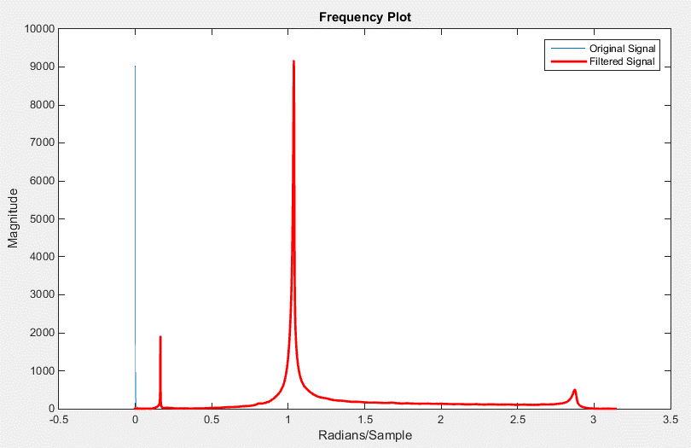
-31.333949462
-90.261025359
-36.162904507
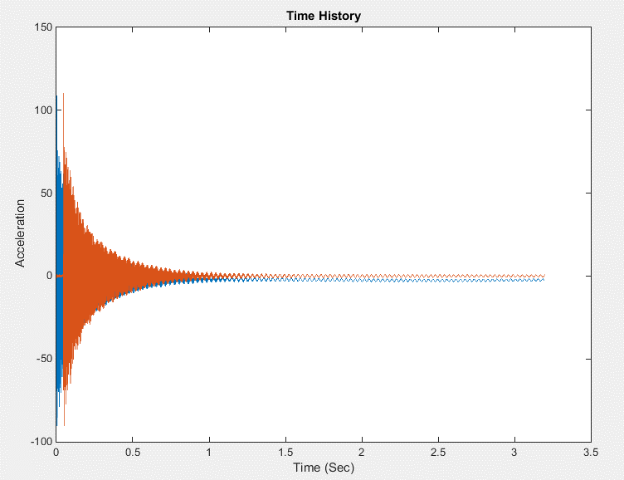
36.435556503
77.640737229
50.642890188
-39.064311008
-66.732428084
-55.872405347
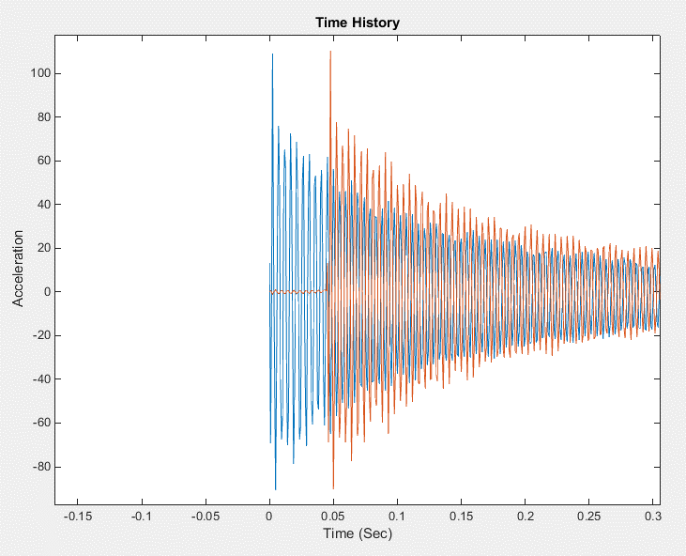
40.010012973
67.146773381
58.784380553
-29.823643399
-68.707481522
-52.640816671
17.340155246
74.712622603
48.377082668
-6.9741774528
-77.267469478
-47.629770675
0.69002122382
71.375422903
49.755309945
-2.5610705966
...

Base Test 3-Channel2
 | Time | Filtered Data Shiffted
0.045312475 | 0 | -5.9805644925
0.046093725 | 0.00078125 | -64.072297424
0.046874974 | 0.001562499 | 52.472403579
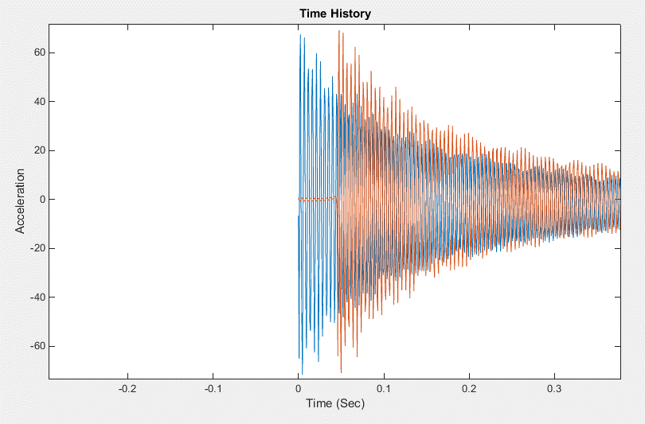
0.047656223 | 0.002343748 | 69.231202686
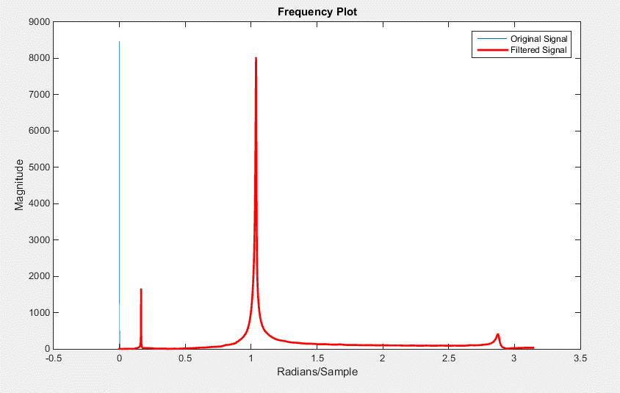
0.048437472 | 0.003124997 | -4.5494727647
0.049218722 | 0.003906247 | -45.468522973
0.049999971 | 0.004687496 | -70.843550926
0.05078122 | 0.005468745 | -0.052701671098
0.051562469 | 0.006249994 | 42.494887918
0.052343719 | 0.007031244 | 68.186842185
0.053124968 | 0.007812493 | 8.7361075978
0.053906217 | 0.008593742 | -43.588065624
0.054687466 | 0.009374991 | -59.701436183
0.055468716 | 0.010156241 | -16.296896904
0.056249965 | 0.01093749 | 49.769855775
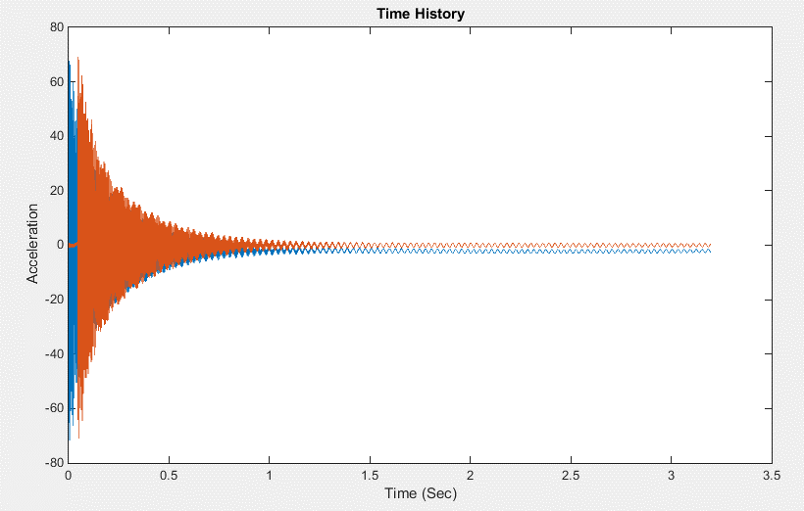
0.057031214 | 0.011718739 | 55.892497903
0.057812463 | 0.012499988 | 25.502007228
0.058593713 | 0.013281238 | -48.745696623
0.059374962 | 0.014062487 | -52.011989139
0.060156211 | 0.014843736 | -27.999845221
0.060937461 | 0.015624986 | 44.129892324
0.06171871 | 0.016406235 | 55.679451026
0.062499959 | 0.017187484 | 26.833722359
0.063281208 | 0.017968733 | -35.97317743
0.064062461 | 0.018749986 | -60.647904315
0.064843714 | 0.019531239 | -24.335787702
0.065624967 | 0.020312492 | 26.494023932
0.06640622 | 0.021093745 | 62.352535004
0.067187473 | 0.021874998 | 21.533143103
...

Base Test 4-Channel2
Filtered Data Shiffted
-15.638173504
-34.66869714
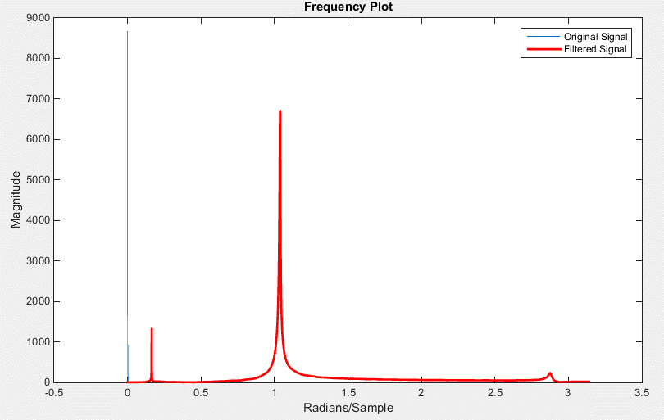
48.260343757
39.204165411
-9.1557064298
-41.238455904
-43.913650777
7.5202092788
37.187013419
44.098100427
-4.336184659
-36.125831967
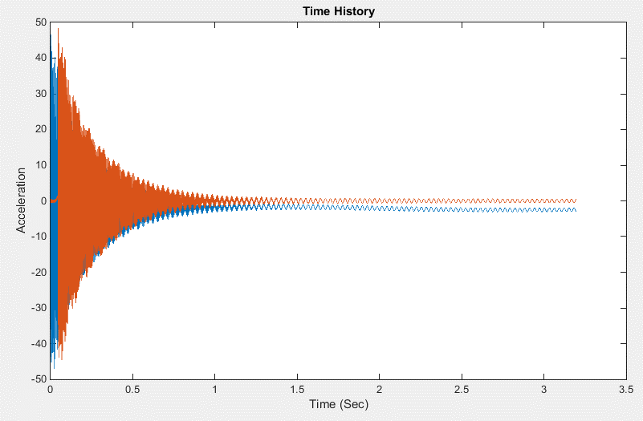
-40.752715745
1.5147995365
39.772326246
39.025357224
4.5143797256
-40.422585836
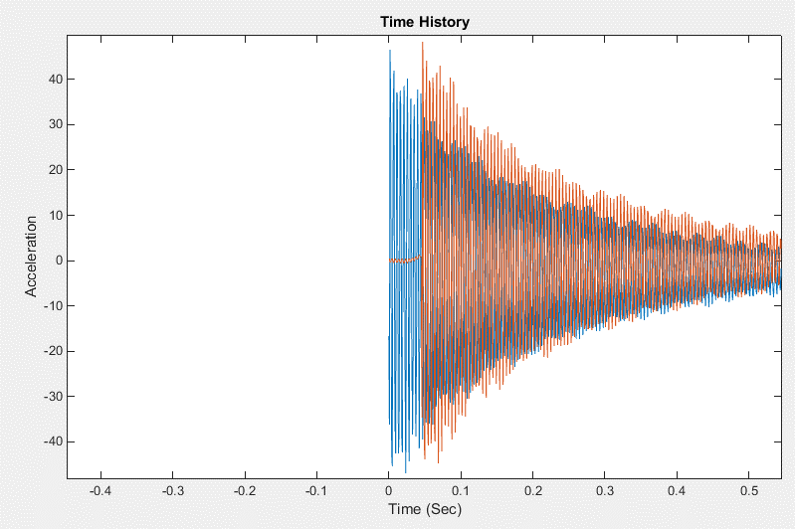
-36.310036912
-7.4882120301
40.310221878
37.34825198
8.9322485006
-37.043595944
-40.02965581
-8.6949952994
31.695615713
41.427028494
...

Base Test 5-Channel2
Filtered Data Shiffted
-61.920597907
4.8650873599
94.320586423
12.618626263
-29.268355876
-78.219525336
-26.079123587
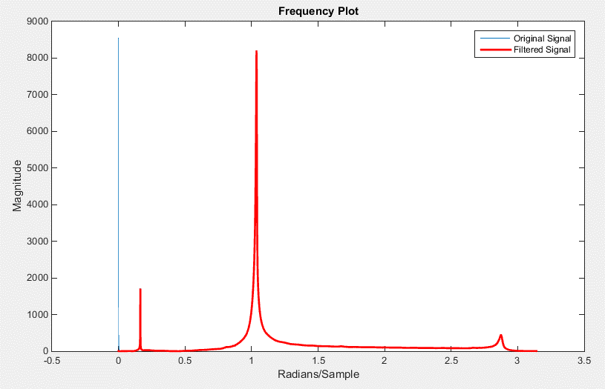
33.54559518
68.209505002
38.899550897
-35.955097062
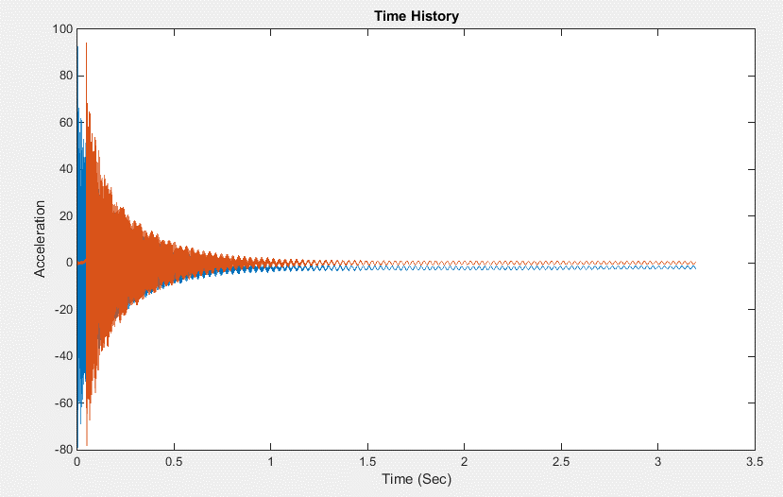
-57.987449413
-43.807073979
38.547087054
58.025098692
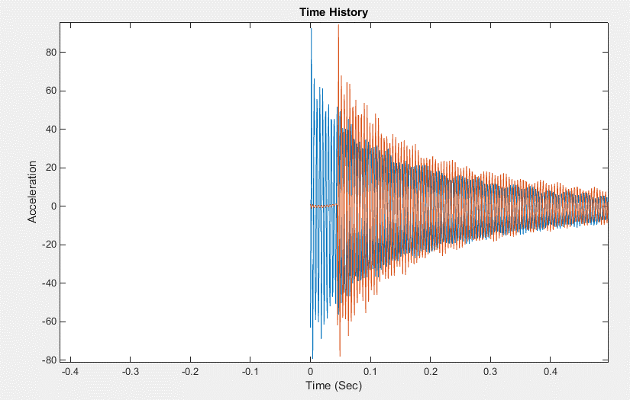
47.653425174
-30.805383204
-58.69200591
-43.01320269
20.901526797
64.471555051
39.530495001
-11.421286504
-67.405048233
-38.174577403
5.2732826977
63.758097776
39.126009294
-5.9530259901
-60.024479465
-47.460286964
5.7461619333
...

